Table 1
Cliente | Customer |  |  |  |  |  | 
Indirizzo | Address
P.Iva | Vat | Bussiness N.
Minimo D'ordine | Minimum Order Quantity
Condizioni di Pagamento | Payment Conditions | da Concordare
Condizioni di Trasporto | Logistic Conditions | FCA Nord Italia
Vettore | Forwarder
Tempo Evasione Ordine | Order Lead Time
Lingua Etichette | Labels Language
Export Manager | Alexandru Morocica | export@all-food.it +39 338 146 146 7
Note | Remarks
FOTO | DESCRIZIONE PRODOTTI | CODICE PRODOTTO | CODICE EAN | SCADENZA | IMBALLO | PESO per UNITA | UNITA per CARTONE | CARTONI per STRATO | STRATI per PALLET | CARTONI per PALLET | UNITA per PALLET | PREZZO per UNITA'
FOTO | DESCRIPTION DU PRODUIT | CODE PRODUIT | CODE EAN | DATE LIMITE CONSUMATION | EMBALLAGE | POIDS par UNITÉ | UNITÉ par CARTON | CARTONS par COUCHE | COUCHES pour PALETTE | CARTONS par PALETTE | UNITES par PALLET | PRIX par UNITE
FOTO | PRODUCT DESCRIPTION | PRODUCT CODE | EAN CODE | SHELF LIFE | PACKAGING | WEIGHT per UNIT | UNIT per CARTOON | CARTOONS per LAYER | LAYERS per PALLET | CARTOONS per PALLET | UNITS per PALLET | PRICE per UNIT
FOTO | PRODUKTBESCHREIBUNG | PRODUKTCODE | EAN CODE | HALTBARKEITS DATUM | VERPACKUNG | GEWICHT pro EINHEIT | EINHEIT pro KARTON | KARTONS pro SCHICHT | SCHICHTEN pro PALETTE | KARTONS pro PALETTE | EINHEITEN pro PALETTE | PREISE pro EINHEIT
FOTO | DESCRIPCIÓN DEL PRODUCTO | CÓDIGO PRODUCTO | CODIGO EAN | FECHA LÍMITE | EMBALAJE | PESO por UNIDAD | UNIDAD por CAJA | CAJAS por CAPA | CAPAS por PALET | CAJAS por PALET | UNIDAD por PALETA | PRECIO por UNIDAD
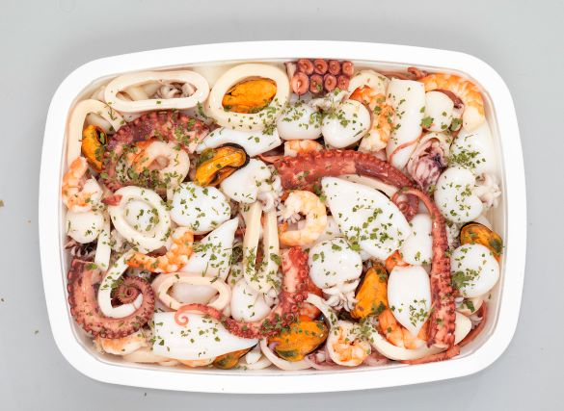
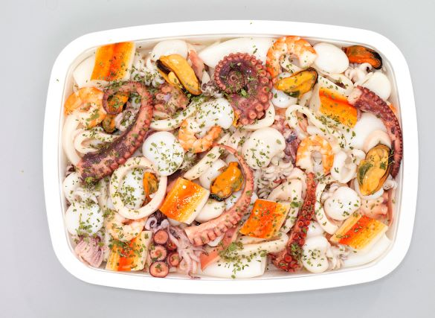
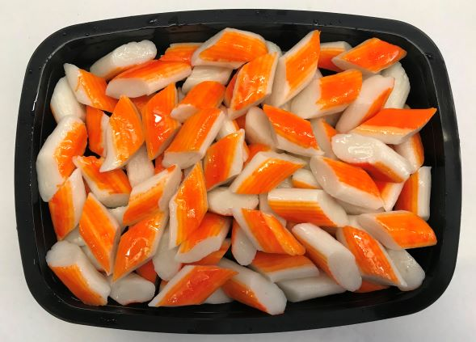
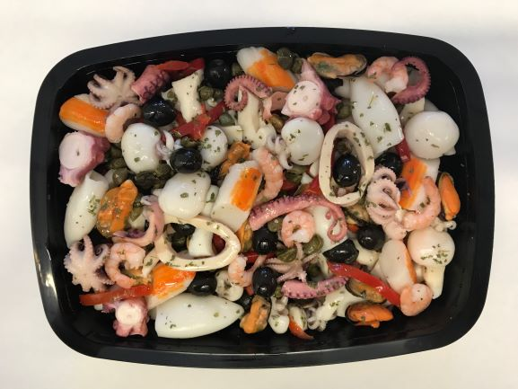
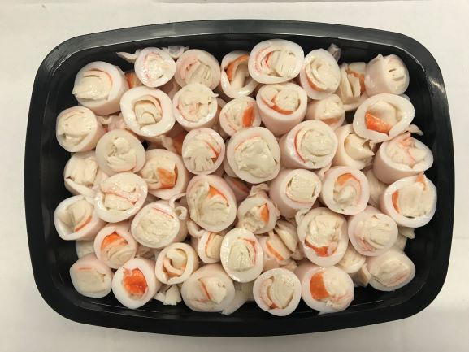
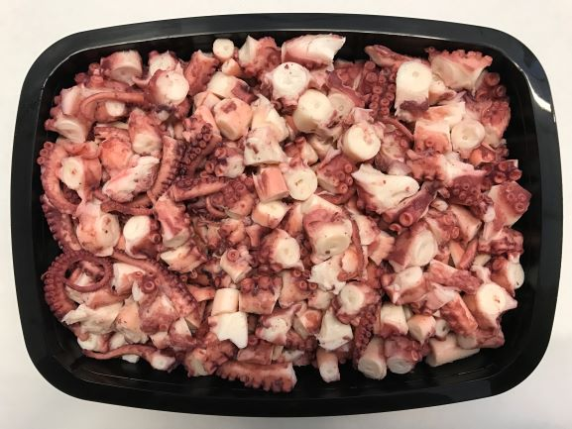
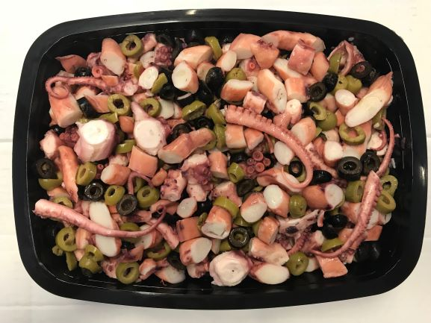
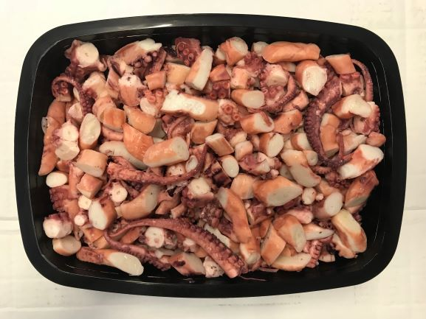
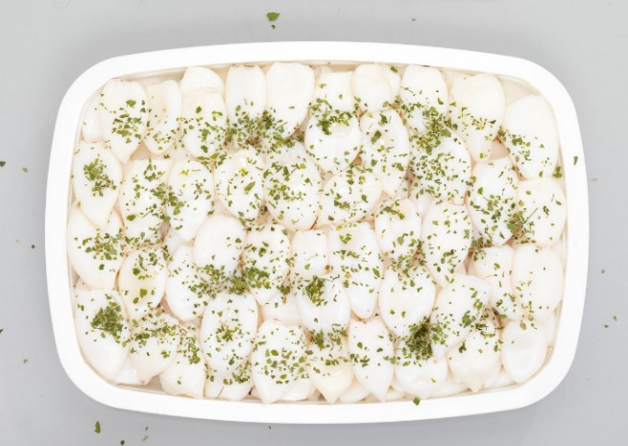
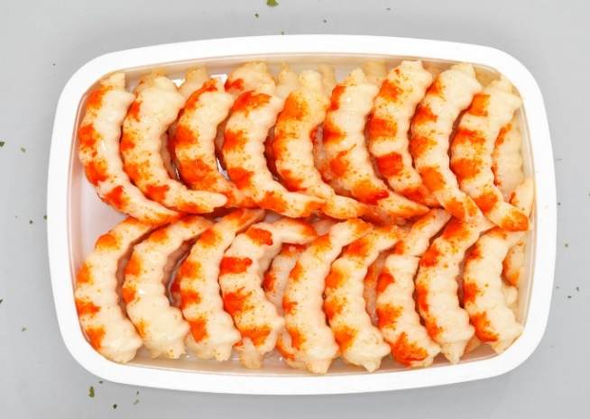
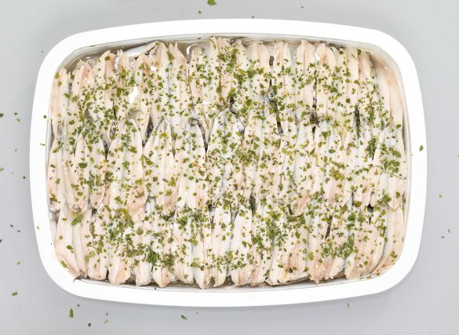
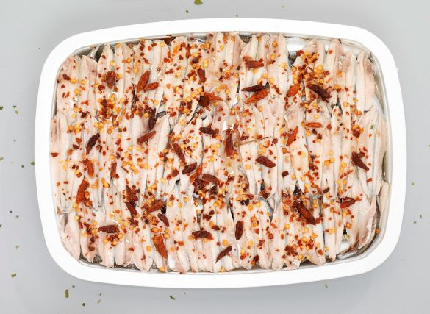
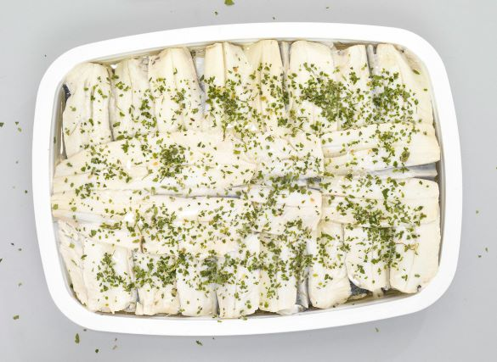
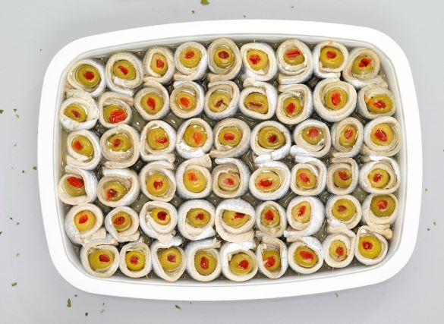
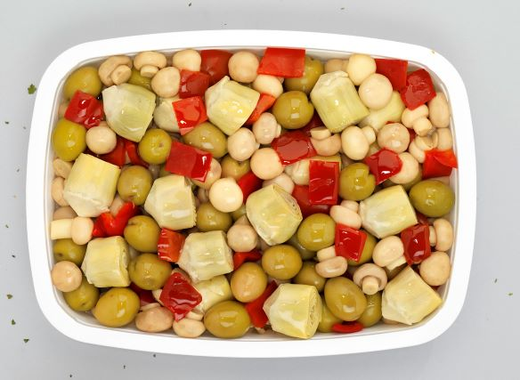
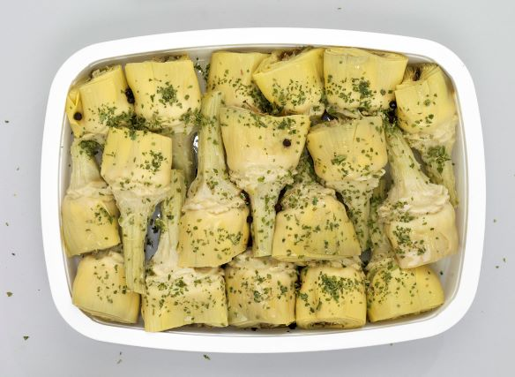
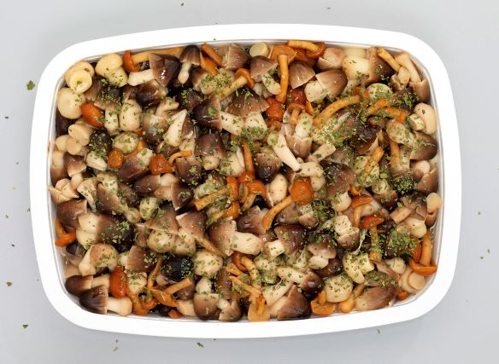
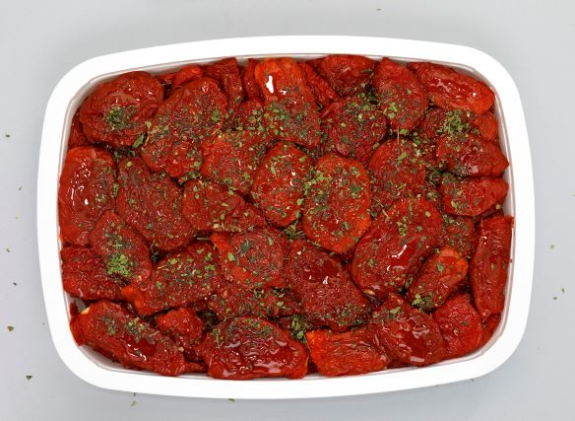
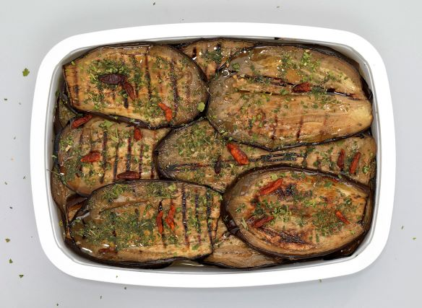
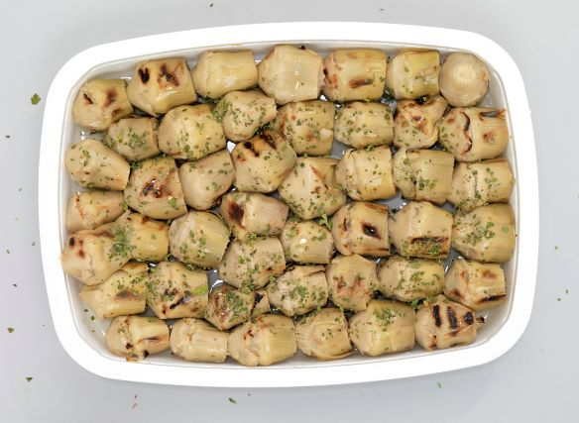
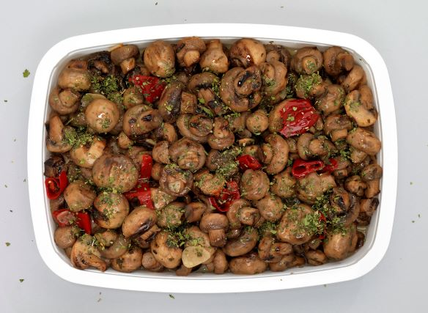
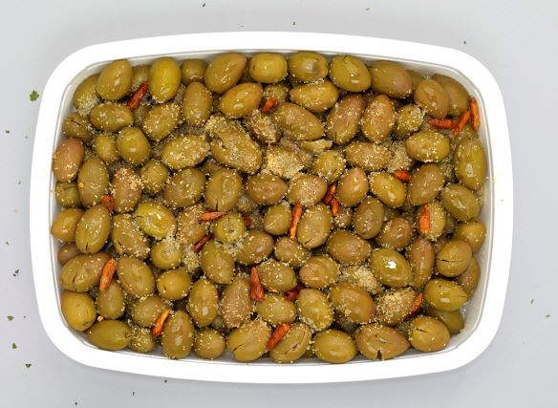
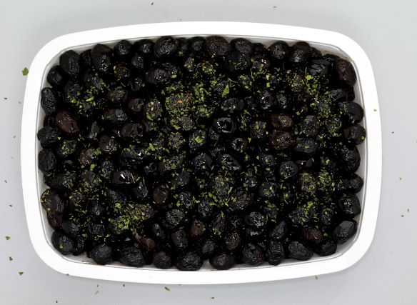
 | PRODOTTI ITTICI - SEAFOOD PRODUCTS IN OIL
 | ANTIPASTO DI MARE SEAFOOD APPETIZER | LITI7VT001 | 8001796700015 | 120 | VASSOIO - TRAY | 200 g | 6 | 24 | 12 | 288 | 1728 | 2.40 €
 |  | LITI1VT001 | 8001796100013 | 120 | VASSOIO - TRAY | 1 kg | 6 | 6 | 9 | 54 | 324 | 9.90 €
 |  | LITI2VT001 | 8001796200010 | 120 | VASSOIO - TRAY | 2 kg | 2/4 | 6 | 17/9 | 102\54 | 204/216 | 19.20 €
 |  | LITI5SC001 | 8001796500011 | 120 | SECCHIELLO - BUCKET | 5 kg | 1 | 24 | 4 | 96 | 96 | 43.90 €
 | ANTIPASTO DI MARE EXTRA SEAFOOD APPETIZER EXTRA | LITI7VT002 | 8001796700022 | 120 | VASSOIO - TRAY | 200 g | 6 | 24 | 12 | 288 | 1728 | 2.40 €
 |  | LITI1VT002 | 8001796100020 | 120 | VASSOIO - TRAY | 1 kg | 6 | 6 | 9 | 54 | 324 | 9.90 €
 |  | LITI2VT002 | 8001796200027 | 120 | VASSOIO - TRAY | 2 kg | 2/4 | 6 | 17/9 | 102\54 | 204/216 | 19.20 €
 |  | LITI3VS002 | 8001796300024 | 120 | VASO -VASE | 3 kg | 2 | 20 | 4 | 80 | 160 | 27.50 €
 |  | LITI5SC002 | 8001796500028 | 120 | SECCHIELLO - BUCKET | 5 kg | 1 | 24 | 4 | 96 | 96 | 43.90 €
 | ANTIPASTO DI MARE SENZA VERDURE SEAFOOD APPETIZER WITHOUT VEGETABLES | LITI7VT003 | 8001796700039 | 120 | VASSOIO - TRAY | 200 g | 6 | 24 | 12 | 288 | 1728 | 2.50 €
 |  | LITI27VS003 | 8001796270037 | 120 | VASO -VASE | 350 gr | 6 | 16 | 8 | 128 | 768 | 4.90 €
 |  | LITI1VT003 | 8001796100037 | 120 | VASSOIO - TRAY | 1 kg | 6 | 6 | 9 | 54 | 324 | 11.20 €
 |  | LITI2VT003 | 8001796200034 | 120 | VASSOIO - TRAY | 2 kg | 2\4 | 6 | 17/9 | 102\54 | 204/216 | 21.40 €
 |  | LITI3VS003 | 8001796300031 | 120 | VASO -VASE | 3 kg | 2 | 20 | 4 | 80 | 160 | 30.90 €
 |  | LITI13SC003 | 8001796130034 | 120 | SECCHIELLO-BUCKET | 2,9kg | 1 | 24 | 5 | 120 | 120 | 29.90 €
 |  | LITI5SC003 | 8001796500035 | 120 | SECCHIELLO - BUCKET | 5 kg | 1 | 24 | 4 | 96 | 96 | 49.80 €
 | ANTIPASTO DI MARE SENZA VERDURE SUPERIOR SEAFOOD APPETIZER WITHOUT VEGETABLES SUPERIOR | LITI3VS095 | 8001796300956 | 120 | VASO -VASE | 3 kg | 2 | 20 | 4 | 80 | 80 | 34.90 €
 | ANTIPASTO DI MARE SENZA COZZE SEAFOOD APPETIZER WITHOUT MUSSELS | LITI1VT051 | 8001796100518 | 120 | VASSOIO - TRAY | 1 kg | 6 | 6 | 9 | 54 | 324 | 11.90 €
 |  | LITI13SC051 | 8001796130515 | 120 | SECCHIELLO - BUCKET | 2.9 | 1 | 24 | 5 | 120 | 120 | 31.50 €
 |  | LITI5SC051 | 8001796500516 | 120 | SECCHIELLO - BUCKET | 5 kg | 1 | 24 | 4 | 96 | 96 | 52.80 €
 |  | LITI32SC051 | 8001796320510 | 120 | SECCHIELLO - BUCKET | 7,5kg | 1 | 15 | 4 | 60 | 60 | 78.90 €
 |  | LITI25SC051 | 8001796250510 | 120 | SECCHIELLO - BUCKET | 10 kg | 1 | 13 | 4 | 52 | 52 | 104.80 €
 | ANTIPASTO DI MARE SENZA COZZE SUPERIOR SEAFOOD APPETIZER WITHOUT MUSSELS SUPERIOR | LITI7VT034 | 8001796700343 | 120 | VASSOIO - TRAY | 200 gr | 6 | 24 | 12 | 288 | 1728 | 2.65 €
 |  | LITI1VT034 | 8001796100341 | 120 | VASSOIO - TRAY | 1 kg | 6 | 6 | 9 | 54 | 324 | 12.30 €
 |  | LITI2VT034 | 8001796200348 | 120 | VASSOIO - TRAY | 2 kg | 2\4 | 6 | 17/9 | 102\54 | 204/216 | 23.80 €
 |  | LILITI13SC034 | 8001796130348 | 120 | SECCHIELLO - BUCKET | 2.9 | 1 | 24 | 5 | 120 | 120 | 32.50 €
 |  | LITI5SC034 | 8001796500349 | 120 | SECCHIELLO - BUCKET | 5 kg | 1 | 24 | 4 | 96 | 96 | 54.60 €
 | ANTIPASTO MARE "DELUXE SEAFOOD APPETIZER "DELUXE" | LITI13SC037 | 8001796130379 | 120 | SECCHIELLO-BUCKET | 2,9kg | 1 | 24 | 5 | 120 | 120 | 39.00 €

 | GRANMARE GRANMARE SALAD | LITI1VT019 | 8001796100198 | 120 | VASSOIO - TRAY | 1 kg | 6 | 6 | 9 | 54 | 324 | 8.70 €
 |  | LITI2VT019 | 8001796200195 | 120 | VASSOIO - TRAY | 2 kg | 2\4 | 6 | 17/9 | 102\54 | 204/216 | 17.40 €
 |  | LITI5SC019 | 8001796500196 | 120 | SECCHIELLO - BUCKET | 5 kg | 1 | 24 | 4 | 96 | 96 | 42.40 €
 |  | LITI13SC019 | 8001796130195 | 120 | SECCHIELLO - BUCKET | 2.9 | 1 | 24 | 5 | 120 | 120 | 25.60 €
 |  | LITI25SC019 | 8001796250190 | 120 | SECCHIELLO - BUCKET | 10 kg | 1 | 13 | 4 | 52 | 52 | 84.00 €
 | FANTASIA DI MARE SURIMI SURIMI SEAFOOD FANTASY | LITI7VT008 | 8001796700084 | 120 | VASSOIO - TRAY | 200 g | 6 | 24 | 12 | 288 | 1728 | 2.00 €
 |  | LITI1VT008 | 8001796100082 | 120 | VASSOIO - TRAY | 1 kg | 6 | 6 | 9 | 54 | 324 | 6.30 €
 |  | LITI2VT008 | 8001796200089 | 120 | VASSOIO - TRAY | 2 kg | 2\4 | 6 | 17/9 | 102\54 | 204/216 | 11.90 €
 |  | LITI5SC008 | ì8001796500080 | 120 | SECCHIELLO - BUCKET | 5 kg | 1 | 24 | 4 | 96 | 96 | 27.70 €
 | INSALATA DI CALAMARI SQUID SALAD | LITI7VT005 | 8001796700053 | 120 | VASSOIO - TRAY | 200 gr | 6 | 24 | 12 | 288 | 1728 | 2.85 €
 |  | LITI1VT005 | 8001796100051 | 120 | VASSOIO - TRAY | 1 kg | 6 | 6 | 9 | 54 | 324 | 11.50 €
 |  | LITI2VT005 | 8001796200058 | 120 | VASSOIO - TRAY | 2 kg | 2\4 | 6 | 17/9 | 102\54 | 204/216 | 22.20 €
 |  | LITI5SC005 | 8001796500059 | 120 | SECCHIELLO - BUCKET | 5 kg | 1 | 24 | 4 | 96 | 96 | 52.90 €
 | INSALATA DI MARE SEAFOOD SALAD | LITI7VT054 | 8001796700541 | 120 | VASSOIO - TRAY | 200 gr | 6 | 24 | 12 | 288 | 1728 | 2.30 €
 |  | LITI27VS054 | 8001796270549 | 120 | VASO -VASE | 350 gr | 6 | 16 | 8 | 128 | 768 | 4.50 €
 |  | LITI1VT054 | 8001796100549 | 120 | VASSOIO - TRAY | 1 kg | 6 | 6 | 9 | 54 | 324 | 9.10 €
 |  | LITI2VT054 | 8001796200546 | 120 | VASSOIO - TRAY | 2 kg | 2\4 | 6 | 17/9 | 102\54 | 204/216 | 17.40 €
 |  | LITI3VS054 | 8001796300543 | 120 | VASO -VASE | 3kg | 2 | 20 | 4 | 80 | 160 | 26.00 €
 |  | LITI5SC054 | 8001796500547 | 120 | SECCHIELLO - BUCKET | 5kg | 1 | 24 | 4 | 96 | 96 | 43.10 €
 | INSALATA DI MARE SURIMI SEAFOOD SALAD WITH SURIMI | LITI1VT022 | 8001796100228 | 120 | VASSOIO - TRAY | 1 kg (sgocciolato 55%) | 6 | 6 | 9 | 54 | 324 | 6.90 €
 | INSALATA DI SEPPIE CUTTLEFISH SALAD | LITI7VT065 | 8001796700657 | 120 | VASSOIO - TRAY | 200 gr | 6 | 24 | 12 | 288 | 1728 | 2.85 €
 |  | LITI1VT065 | 8001796100655 | 120 | VASSOIO - TRAY | 1 kg | 6 | 6 | 9 | 54 | 324 | 11.50 €
 |  | LITI2VT065 | 8001796200652 | 120 | VASSOIO - TRAY | 2 kg | 2\4 | 6 | 17/9 | 102\54 | 204/216 | 22.20 €
 |  | LITI5SC065 | 8001796500653 | 120 | SECCHIELLO - BUCKET | 5 kg | 1 | 24 | 4 | 96 | 96 | 52.90 €
 | SPECIALITA' DI MARE IN OLIO - CROSTACI E MOLLUSCHI | SEAFOOD SPECIALITIES IN OIL - SHELLFISH AND MOLLUSCS
 | CALAMARI MARINATI MARINATED SQUID | LITI7VT004 | 8001796700046 | 120 | VASSOIO - TRAY | 200 g | 6 | 24 | 12 | 288 | 1728 | 3.10 €
 |  | LITI1VT004 | 8001796100044 | 120 | VASSOIO - TRAY | 1 kg | 6 | 6 | 9 | 54 | 324 | 13.20 €
 |  | LITI2VT004 | 8001796200041 | 120 | VASSOIO - TRAY | 2 kg | 2\4 | 6 | 17/9 | 102\54 | 204/216 | 25.60 €
 |  | LITI5SC004 | 8001796500042 | 120 | SECCHIELLO - BUCKET | 5 kg | 1 | 24 | 4 | 96 | 96 | 59.90 €
 | CALAMARI RIPIENI DI SURIMI E MAZZANCOLLE SURIMI AND PRAWNS STUFFED SQUID | LITI1VT096 | 8001796100969 | 120 | VASSOIO - TRAY | 1 kg | 6 | 6 | 9 | 54 | 324 | 15.40 €
 |  | LITI2VT096 | 8001796200966 | 120 | VASSOIO - TRAY | 2 kg | 2\4 | 6 | 17/9 | 102\54 | 204/216 | 29.80 €
 |  | LITI3VS096 | 8001796300963 | 120 | VASO -VASE | 3 kg | 2 | 20 | 4 | 80 | 160 | 40.90 €
 |  | LITI5SC096 | 8001796500967 | 120 | SECCHIELLO - BUCKET | 5 kg | 1 | 24 | 4 | 96 | 96 | 64.90 €
 |  | LITI25SC096 | 8001796250961 | 120 | SECCHIELLO - BUCKET | 10 kg | 1 | 13 | 4 | 52 | 52 | 128.90 €
 | BOCCONCINI CALAMARI RIPIENI STUFFED SQUID MORSELS | LITI7VT090 | 8001796700909 | 120 | VASSOIO - TRAY | 200 gr | 6 | 24 | 12 | 288 | 1728 | 4.40 €
 |  | LITI1VT090 | 8001796100907 | 120 | VASSOIO - TRAY | 1 kg | 6 | 6 | 9 | 54 | 324 | 16.20 €
 | COZZE MARINATE MARINATED MUSSELS | LITI7VT030 | 8001796700305 | 120 | VASSOIO - TRAY | 200 gr | 6 | 24 | 12 | 288 | 1728 | 2.00 €
 |  | LITI27VS030 | 8001796270303 | 120 | VASO -VASE | 350 gr | 6 | 16 | 8 | 128 | 768 | 3.60 €
 |  | LITI1VT030 | 8001796100303 | 120 | VASSOIO - TRAY | 1 kg | 6 | 6 | 9 | 54 | 324 | 6.90 €
 |  | LITI2VT030 | 8001796200300 | 120 | VASSOIO - TRAY | 2 kg | 2\4 | 6 | 17/9 | 102\54 | 204/216 | 12.90 €
 | CARPACCIO DI SALMONE SALMON CARPACCIO | LITI7VT079 | 8001796700794 | 120 | VASSOIO - TRAY | 200 gr | 6 | 24 | 12 | 288 | 1728 | 5.00 €
 |  | LITI1VT079 | 8001796100792 | 120 | VASSOIO - TRAY | 1 kg | 6 | 6 | 9 | 54 | 324 | 27.90 €
 | DELIZIA DI CALAMARI SQUID DELIGHT | LITI7VT082 | 8001796700824 | 120 | VASSOIO - TRAY | 200 gr | 6 | 24 | 12 | 288 | 1728 | 2.90 €
 |  | LITI7VT082 | 8001796100822 | 120 | VASSOIO - TRAY | 1 kg | 6 | 6 | 9 | 54 | 324 | 14.40 €
 |  | LITI7VT082 | 8001796200829 | 120 | VASSOIO - TRAY | 2 kg | 2\4 | 6 | 17|19 | 102|54 | 204|216 | 27.90
 |  | LITI7VT082 | 8001796500820 | 120 | SECCHIELLO - BUCKET | 5 kg | 1 | 24 | 4 | 96 | 96 | 62.60 €
 | MAZZANCOLLE MARINATI MARINATED SHRIMP | LITI7VT017 | 8001796700176 | 120 | VASSOIO - TRAY | 200 gr | 6 | 24 | 12 | 288 | 1728 | 3.05 €
 |  | LITI1VT017 | 8001796100174 | 120 | VASSOIO - TRAY | 1 kg | 6 | 6 | 9 | 54 | 324 | 12.90 €
 |  | LITI2VT017 | 8001796200171 | 120 | VASSOIO - TRAY | 2 kg | 2\4 | 6 | 17/9 | 102\54 | 204/216 | 24.90 €
 |  | LITI13SC017 | 8001796130171 | 120 | SECCHIELLO -BUCKET | 2.9 | 1 | 24 | 5 | 120 | 120 | 33.70 €
 |  | LITI5SC017 | 8001796500172 | 120 | SECCHIELLO - BUCKET | 5 | 1 | 24 | 4 | 96 | 96 | 58.50 €
 | GAMBERONI FANTASIA DI SURIMI SURIMI IMITATIONS PRAWNS | LITI7VT018 | 8001796700183 | 120 | VASSOIO - TRAY | 200 g | 6 | 24 | 12 | 288 | 1728 | 1.95 €
 |  | LITI1VT018 | 8001796100181 | 120 | VASSOIO - TRAY | 1 kg | 6 | 6 | 9 | 54 | 324 | 7.60 €
 |  | LITI2VT018 | 8001796200188 | 120 | VASSOIO - TRAY | 2 kg | 2\4 | 6 | 17/9 | 102\54 | 204/216 | 14.40 €
 |  | LITI3VS018 | 8001796300185 | 120 | VASO -VASE | 3 kg | 2 | 20 | 4 | 80 | 160 | 19.80 €
 |  | LITI5SC018 | 8001796500189 | 120 | SECCHIELLO - BUCKET | 5 kg | 1 | 24 | 4 | 96 | 96 | 32.30 €
 |  | LITI25SC018 | 8001796250183 | 120 | SECCHIELLO - BUCKET | 10 kg | 1 | 13 | 4 | 52 | 52 | 63.20 €
 | POLIPETTI E OLIVE BABY OCTOPUS AND OLIVES | LITI7VT031 | 8001796700312 | 120 | VASSOIO - TRAY | 200 gr | 6 | 24 | 12 | 288 | 1728 | 2.95 €
 |  | LITI27VS031 | 8001796270310 | 120 | VASO -VASE | 350 gr | 6 | 16 | 8 | 128 | 768 | 6.15 €
 |  | LITI1VT031 | 8001796100310 | 120 | VASSOIO - TRAY | 1 kg | 6 | 6 | 9 | 54 | 324 | 13.90 €
 |  | LITI2VT031 | 8001796200317 | 120 | VASSOIO - TRAY | 2 kg | 2\4 | 6 | 17/9 | 102\54 | 204/216 | 27.30 €
 |  | LITI3VS031 | 8001796300314 | 120 | VASO -VASE | 3 kg | 2 | 20 | 4 | 80 | 160 | 36.80 €
 |  | LITI5SC031 | 8001796500318 | 120 | SECCHIELLO - BUCKET | 5 kg | 1 | 24 | 4 | 96 | 96 | 64.20 €
 | POLIPETTI MARINATI MARINATED BABY OCTOPUS | LITI7VT026 | 8001796700268 | 120 | VASSOIO - TRAY | 200 gr | 6 | 24 | 12 | 288 | 1728 | 3.45 €
 |  | LITI27VS026 | 8001796270266 | 120 | VASO -VASE | 350 gr | 6 | 16 | 8 | 128 | 768 | 6.70 €
 |  | LITI1VT026 | 8001796100266 | 120 | VASSOIO - TRAY | 1 kg | 6 | 6 | 9 | 54 | 324 | 15.90 €
 |  | LITI2VT026 | 8001796200263 | 120 | VASSOIO - TRAY | 2 kg | 2\4 | 6 | 17/9 | 102\54 | 204/216 | 30.90 €
 |  | LITI3VS026 | 8001796300260 | 120 | VASO -VASE | 3 kg | 2 | 20 | 4 | 80 | 160 | 42.40 €
 |  | LITI13SC026 | 8001796130263 | 120 | SECCHIELLO-BUCKET | 2.9 | 1 | 24 | 5 | 120 | 120 | 36.80 €
 |  | LITI5SC026 | 8001796500264 | 120 | SECCHIELLO - BUCKET | 5 kg | 1 | 24 | 4 | 96 | 96 | 72.90 €
 | INSALATA CON POLPO E OLIVE SALAD WITH OCTOPUS AND OLIVES | LITI7VT021 | 8001796700213 | 120 | VASSOIO - TRAY | 200 gr | 6 | 24 | 12 | 288 | 1728 | 3.20 €
 |  | LITI1VT021 | 8001796100211 | 120 | VASSOIO - TRAY | 1 kg | 6 | 6 | 9 | 54 | 324 | 13.80 €
 |  | LITI2VT021 | 8001796200218 | 120 | VASSOIO - TRAY | 2 kg | 2\4 | 6 | 17/9 | 102\54 | 204/216 | 26.80 €
 |  | LITI5SC021 | 8001796500219 | 120 | SECCHIELLO - BUCKET | 5 kg | 1 | 24 | 4 | 96 | 96 | 62.90 €
 | POLPO CON PATATE OCTOPUS WITH POTATOS | LITI7VT077 | 8001796700770 | 120 | VASSOIO - TRAY | 200 gr | 6 | 24 | 12 | 288 | 1728 | 3.00 €
 |  | LITI1VT077 | 8001796100778 | 120 | VASSOIO - TRAY | 1 kg | 6 | 6 | 9 | 54 | 324 | 13.20 €
 |  | LITI7VT077 | 8001796200775 | 120 | VASSIO | 2 kg | 2\4 | 6 | 17\9 | 102\54 | 204\216 | 25.40 €
 |  | LITI7VT077 | 8001796130775 | 120 | SECCHIELLO - BUCKET | 2,9 kg | 1 | 24 | 5 | 120 | 120 | 33.40 €
 |  | LITI7VT077 | 8001796500776 | 120 | SECCHIELLO - BUCKET | 5 kg | 1 | 24 | 4 | 96 | 96 | 58.40 €
 | POLPI MARINATI MARINATED OCTOPUS | LITI7VT028 | 8001796700282 | 120 | VASSOIO - TRAY | 200 gr | 6 | 24 | 12 | 288 | 1728 | 4.45 €
 |  | LITI27VS028 | 8001796270280 | 120 | VASO -VASE | 350 gr | 6 | 16 | 8 | 128 | 768 | 8.55 €
 |  | LITI1VT028 | 8001796100280 | 120 | VASSOIO - TRAY | 1 kg | 6 | 6 | 9 | 54 | 324 | 20.80 €
 |  | LITI2VT028 | 8001796200287 | 120 | VASSOIO - TRAY | 2 kg | 2\4 | 6 | 17/9 | 102\54 | 204/216 | 40.70 €
 |  | LITI3VS028 | 8001796300284 | 120 | VASO -VASE | 3 kg | 2 | 20 | 4 | 80 | 160 | 53.70 €
 |  | LITI13SC028 | 8001796130287 | 120 | SECHIELLO - BUCKET | 2.9 | 1 | 24 | 5 | 120 | 120 | 51.05 €
 |  | LITI5SC028 | 8001796500288 | 120 | SECCHIELLO - BUCKET | 5 kg | 1 | 24 | 4 | 96 | 96 | 92.50 €
 | RONDELLE DI POLPO OCTOPUS MORSELS | LITI7VT081 | 8001796700817 | 120 | VASSOIO - TRAY | 200 gr | 6 | 24 | 12 | 288 | 1728 | 4.95 €
 |  | LITI1VT081 | 8001796100815 | 120 | VASSOIO - TRAY | 1 kg | 6 | 6 | 9 | 54 | 324 | 23.30 €
 |  | LITI2VT081 | 8001796200812 | 120 | VASSOIO - TRAY | 2 kg | 2\4 | 6 | 17/9 | 102\54 | 204/216 | 45.50 €
 |  | LITI5SC081 | 8001796500813 | 120 | SECCHIELLO - BUCKET | 5 kg | 1 | 24 | 4 | 96 | 96 | 103.50 €
 | TENTACOLO MIX TENTACLES MIX | LITI7VT036 | 8001796700367 | 120 | VASSOIO - TRAY | 200 gr | 6 | 24 | 12 | 288 | 1728 | 3.45 €
 |  | LITI27VS036 | 8001796270365 | 120 | VASSOIO - TRAY | 350 gr | 6 | 16 | 8 | 128 | 768 | 6.60 €
 |  | LITI1VT036 | 8001796100365 | 120 | VASO -VASE | 1 kg | 6 | 6 | 9 | 54 | 324 | 15.90 €
 |  | LITI2VT036 | 8001796200362 | 120 | VASSOIO - TRAY | 2 kg | 2\4 | 6 | 17/9 | 102\54 | 204/216 | 31.50 €
 |  | LITI3VS036 | 8001796300369 | 120 | VASO -VASE | 3 kg | 2 | 20 | 4 | 80 | 160 | 41.50 €
 |  | LITI5SC036 | 8001796500363 | 120 | SECCHIELLO - BUCKET | 5 kg | 1 | 24 | 4 | 96 | 96 | 71.50 €
 | SEPPIOLINE MARINATE MARINATED CUTTLEFISH | LITI7VT029 | 8001796700299 | 120 | VASSOIO - TRAY | 200 gr | 6 | 24 | 12 | 288 | 1728 | 3.30 €
 |  | LITI1VT029 | 8001796100297 | 120 | VASSOIO - TRAY | 1 kg | 6 | 6 | 9 | 54 | 324 | 14.30 €
 |  | LITI2VT029 | 8001796200294 | 120 | VASSOIO - TRAY | 2 kg | 2\4 | 6 | 17/9 | 102\54 | 204/216 | 28.40 €
 |  | LITI3VS029 | 8001796300291 | 120 | VASO -VASE | 3 kg | 2 | 20 | 4 | 80 | 160 | 36.90 €
 |  | LITI5SC029 | 8001796500295 | 120 | SECCHIELLO - BUCKET | 5 kg | 1 | 24 | 4 | 96 | 96 | 65.60 €
 | TENTACOLI DI POLPO OCTOPUS TENTACLES | LITI1VT041 | 8001796100419 | 120 | VASSOIO - TRAY | 1 kg | 6 | 6 | 9 | 54 | 324 | 20.80 €
 |  | LITI2VT041 | 8001796200416 | 120 | VASSOIO - TRAY | 2 kg | 2\4 | 6 | 17/9 | 102\54 | 204/216 | 40.70 €
 |  | LITI3VS041 | 8001796300413 | 120 | VASO -VASE | 3 kg | 2 | 20 | 4 | 80 | 160 | 53.70 €
 |  | LITI5SC041 | 8001796500417 | 120 | SECCHIELLO - BUCKET | 5 kg | 1 | 24 | 4 | 96 | 96 | 92.50 €
 | TRANCI ALLA TOSCANA TUSCAN-STYLE SLICES | LITI7VT027 | 8001796700275 | 120 | VASSOIO - TRAY | 200 gr | 6 | 24 | 12 | 288 | 1728 | 3.05 €
 |  | LITI1VT027 | 8001796100273 | 120 | VASSOIO - TRAY | 1 kg | 6 | 6 | 9 | 54 | 324 | 13.25 €
 |  | LITI2VT027 | 8001796200270 | 120 | VASSOIO - TRAY | 2 kg | 2\4 | 6 | 17/9 | 102\54 | 204/216 | 25.60 €
 |  | LITI5SC027 | 8001796500271 | 120 | SECCHIELLO - BUCKET | 5 kg | 1 | 24 | 4 | 96 | 96 | 60.55 €
 | SURIMI MARINATO MARINATED SURIMI | LITI7VT067 | 8001796700671 | 120 | VASSOIO - TRAY | 200 gr | 6 | 24 | 12 | 288 | 1728 | 1.75 €
 |  | LITI1VT067 | 8001796100679 | 120 | VASSOIO - TRAY | 1 kg | 6 | 6 | 9 | 54 | 324 | 6.30 €
 |  | LITI2VT067 | 8001796200676 | 120 | VASSOIO - TRAY | 2 kg | 2\4 | 6 | 17/9 | 102\54 | 204/216 | 12.40 €
 | SPECIALITA' DI MARE IN OLIO - FILETTI DI PESCE | SEAFOOD SPECIALITIES IN OIL - FISH FILETS
 | BOCCONCINI SARDOLIVA SARDINE AND OLIVE MORSELS | LITI7VT015 | 8001796700152 | 150 | VASSOIO - TRAY | 200 gr | 6 | 24 | 12 | 288 | 1728 | 2.75 €
 |  | LITI1VT015 | 8001796100150 | 150 | VASSOIO - TRAY | 1 kg | 6 | 6 | 9 | 54 | 324 | 11.50 €
 |  | LITI2VT015 | 8001796200157 | 150 | VASSOIO - TRAY | 2 kg | 2\4 | 6 | 17/9 | 102\54 | 204/216 | 22.20 €
 |  | LITI5SC015 | 8001796500158 | 150 | SECCHIELLO - BUCKET | 5 kg | 1 | 24 | 4 | 96 | 96 | 47.80 €
 | FILETTI ALICI MARINATI MARINATED ANCHOVY FILETS | LITI7VT009 | 8001796700091 | 150 | VASSOIO - TRAY | 200 gr | 6 | 24 | 12 | 288 | 1728 | 2.40 €
 |  | LITI27VS009 | 8001796270099 | 150 | VASO -VASE | 350 gr | 6 | 16 | 8 | 128 | 768 | 4.05 €
 |  | LITI1VT009 | 8001796100099 | 150 | VASSOIO - TRAY | 1 kg | 6 | 6 | 9 | 54 | 324 | 9.10 €
 |  | LITI2VT009 | 8001796200096 | 150 | VASSOIO - TRAY | 2 kg | 2\4 | 6 | 17/9 | 102\54 | 204/216 | 17.65 €
 |  | LITI13SC009 | 8001796130096 | 150 | SECCHIELLO -BUCKET | 2,9 kg | 1 | 24 | 5 | 120 | 120 | 22.90 €
 |  | LITI5SC009 | 8001796500096 | 150 | SECCHIELLO - BUCKET | 5 kg | 1 | 24 | 4 | 96 | 96 | 39.45 €
 | FILETTI DI ALICI PICCANTI SPICY ANCHOVY FILETS | LITI7VT046 | 8001796700466 | 150 | VASSOIO - TRAY | 200 gr | 6 | 24 | 12 | 288 | 1728 | 2.40 €
 |  | LITI27VS046 | 8001796270464 | 150 | VASO -VASE | 350 gr | 6 | 16 | 8 | 128 | 768 | 4.05 €
 |  | LITI1VT046 | 8001796100464 | 150 | VASSOIO - TRAY | 1 kg | 6 | 6 | 9 | 54 | 324 | 9.10 €
 |  | LITI2VT046 | 8001796200461 | 150 | VASSOIO - TRAY | 2 kg | 2\4 | 6 | 17/9 | 102\54 | 204/216 | 17.65 €
 |  | LITI5SC046 | 8001796500461 | 150 | SECCHIELLO - BUCKET | 5 KG | 1 | 24 | 4 | 96 | 96 | 39.45 €
 | FILETTI DI ALICI AGLIATE ANCHOVY FILETS WITH GARLIC | LITI7VT050 | 8001796700503 | 150 | VASSOIO - TRAY | 200 gr | 6 | 24 | 12 | 288 | 1728 | 2.40 €
 |  | LITI1VT050 | 8001796100501 | 150 | VASSOIO - TRAY | 1 kg | 6 | 6 | 9 | 54 | 324 | 9.10 €
 |  | LITI2VT050 | 8001796200508 | 150 | VASSOIO - TRAY | 2 kg | 2\4 | 6 | 17/9 | 102\54 | 204/216 | 17.65 €
 |  | LITI5SC050 | 8001796500508 | 150 | SECCHIELLO - BUCKET | 5 kg | 1 | 24 | 4 | 96 | 96 | 39.45 €
 | FILETTI ARINGHE MARINATI MARINATED HERRING FILETS | LITI7VT010 | 8001796700107 | 150 | VASSOIO - TRAY | 200 gr | 6 | 24 | 12 | 288 | 1728 | 2.20 €
 |  | LITI1VT010 | 8001796100105 | 150 | VASSOIO - TRAY | 1 kg | 6 | 6 | 9 | 54 | 324 | 10.50 €
 |  | LITI2VT010 | 8001796200102 | 150 | VASSOIO - TRAY | 2 kg | 2\4 | 6 | 17/9 | 102\54 | 204/216 | 19.60 €
 | FILETTI SARDE MARINATE MARINATED SARDINE FILETS | LITI7VT013 | 8001796700138 | 150 | VASSOIO - TRAY | 200 gr | 6 | 24 | 12 | 288 | 1728 | 2.10 €
 |  | LITI1VT013 | 8001796100136 | 150 | VASSOIO - TRAY | 1 kg | 6 | 6 | 9 | 54 | 324 | 8.50 €
 |  | LITI2VT013 | 8001796200133 | 150 | VASSOIO - TRAY | 2 kg | 2\4 | 6 | 17/9 | 102\54 | 204/216 | 16.60 €
 |  | LITI5SC013 | 8001796500134 | 150 | SECCHIELLO - BUCKET | 5 kg | 1 | 24 | 4 | 96 | 96 | 35.55 €
 | FILETTI SARDE PICCANTI SPICY SARDINE FILETS | LITI7VT014 | 8001796700145 | 150 | VASSOIO - TRAY | 200 gr | 6 | 24 | 12 | 288 | 1728 | 2.10 €
 |  | LITI1VT014 | 8001796100143 | 150 | VASSOIO - TRAY | 1 kg | 6 | 6 | 9 | 54 | 324 | 8.50 €
 |  | LITI2VT014 | 8001796200140 | 150 | VASSOIO - TRAY | 2 kg | 2\4 | 6 | 17/9 | 102\54 | 204/216 | 16.60 €
 |  | LITI5SC014 | 8001796500141 | 150 | SECCHIELLO - BUCKET | 5 kg | 1 | 24 | 4 | 96 | 96 | 35.55 €
 | FILETTI SGOMBRO MARINATO MARINATED MACKEREL FILETS | LITI7VT016 | 8001796700169 | 150 | VASSOIO - TRAY | 200 gr | 6 | 24 | 12 | 288 | 1728 | 2.90 €
 |  | LITI1VT016 | 8001796100167 | 150 | VASSOIO - TRAY | 1 kg | 6 | 6 | 9 | 54 | 324 | 9.80 €
 |  | LITI2VT016 | 8001796200164 | 150 | VASSOIO - TRAY | 2 kg | 2\4 | 6 | 17/9 | 102\54 | 204/216 | 18.80 €
 | PRODOTTI ITTICI IN SALAMOIA - SEAFOOD PRODUCTS IN BRINE
 | MISTO MARE SEAFOOD SALAD | LITI6SC032 | 8001796600322 | 90 | SECCHIELLO - BUCKET | 10 kg (6 sgocciolato) | 1 | 13 | 4 | 52 | 52 | 88.80 €
 |  | LITI3SC032 | 8001796140323 | 90 | SECCHIELLO - BUCKET | 5 kg (3 sgocciolato) | 1 | 24 | 4 | 96 | 96 | 44.80 €
 |  | LITI18SC032 | 8001796180329 | 90 | SECCHIELLO - BUCKET | 3 kg (1,5 sgocciolato) | 1 | 24 | 5 | 120 | 120 | 22.80 €
 | MISTO MARE SUPERIOR SEAFOOD SALAD SUPERIOR | LITI3SC095 | 8001796140958 | 90 | SECCHIELLO - BUCKET | 5 kg (3 sgocciolato) | 1 | 24 | 4 | 96 | 96 | 47.60 €
 |  | LITI18SC095 | 8001796180954 | 90 | SECCHIELLO - BUCKET | 3 kg (1,5 sgocciolato) | 1 | 24 | 5 | 120 | 120 | 24.30 €
 | GRANMARE GRANMARE SEAFOODSALAD | LITI6SC019 | 8001796600193 | 90 | SECCHIELLO - BUCKET | 10 kg (6 sgocciolato ) | 1 | 13 | 4 | 52 | 52 | 73.90 €
 |  | LITI3SC019 | 8001796140194 | 90 | SECCHIELLO - BUCKET | 5 kg (3 sgocciolato) | 1 | 24 | 4 | 96 | 96 | 37.40 €
 |  | LITI18SC019 | 8001796180190 | 90 | SECCHIELLO - BUCKET | 3 kg (1,5 sgocciolato) | 1 | 24 | 5 | 120 | 120 | 18.90 €
 | MISTO MARE SENZA COZZE SEAFOOD SALAD WITHOUT MUSSELS | LITI29SC025 | 8001796290257 | 90 | SECCHIELLO - BUCKET | 7,5 kg (4,5 sgocciolato) | 1 | 15 | 4 | 60 | 60 | 71.40 €
 |  | LITI3SC025 | 8001796140255 | 90 | SECCHIELLO - BUCKET | 5 kg (3 sgocciolato) | 1 | 24 | 4 | 96 | 96 | 47.80 €
 |  | LITI18SC025 | 8001796180251 | 90 | SECCHIELLO - BUCKET | 3 kg (1,5 sgocciolato) | 1 | 24 | 5 | 120 | 120 | 24.40 €
 | SEPPIOLINE MARINATE MARINATED CUTTLEFISH | LITI3SC029 | 8001796140293 | 90 | SECCHIELLO - BUCKET | 5kg (3 sgocciolato) | 1 | 24 | 4 | 96 | 96 | 61.60 €
 | POLPI MARINATI MARINATED OCTOPUS | LITI3SC028 | 8001796140286 | 90 | SECCHIELLO - BUCKET | 5 kg (3 sgocciolato) | 1 | 24 | 4 | 96 | 96 | 90.00 €
 |  | LITI18SC028 | 8001796180282 | 90 | SECCHIELLO - BUCKET | 3 kg (1,5 sgocciolato) | 1 | 24 | 5 | 120 | 120 | 45.90 €
 | TENTACOLO MIX TENTACLES MIX | LITI3SC036 | 8001796140361 | 90 | SECCHIELLO - BUCKET | 5 kg (3 sgocciolato) | 1 | 24 | 4 | 96 | 96 | 66.30 €
 |  | LITI18SC036 | 8001796180367 | 90 | SECCHIELLO - BUCKET | 3 kg (1,5 sgocciolato) | 1 | 24 | 5 | 120 | 120 | 34.50 €
 | RONDELLE DI POLPO OCTOPUS MORSELS | LITI3SC081 | 8001796140811 | 90 | SECCHIELLO - BUCKET | 5 kg (3 sgocciolato) | 1 | 24 | 4 | 96 | 96 | 99.90 €
 |  | LITI18SC081 | 8001796180817 | 90 | SECCHIELLO - BUCKET | 3 kg (1,5 sgocciolato) | 1 | 24 | 5 | 120 | 120 | 50.60 €
 |  | LITI16VT041 | 8001796160413 | 90 | SECCHIELLO - BUCKET | 1 kg (700 gr) | 6 | 6 | 9 | 54 | 324 | 21.90 €
 | TENTACOLI DI POLPO OCTOPUS TENTACLES | LITI3SC041 | 8001796140415 | 90 | SECCHIELLO - BUCKET | 5 kg (3 sgocciolato) | 1 | 24 | 4 | 96 | 96 | 90.00 €
 |  | LITI18SC041 | 8001796180411 | 90 | SECCHIELLO - BUCKET | 3 kg (1,5 sgocciolato) | 1 | 24 | 5 | 120 | 120 | 45.90 €
 | PRODOTTI VEGETALI - VEGETABLE PRODUCTS
 | ANTIPASTO QUATTRO GUSTI FOUR FLAVORED APPETIZER | LITV7VT001 | 8001796701012 | 180 | VASSOIO - TRAY | 200 gr | 6 | 24 | 12 | 288 | 1728 | 1.80 €
 |  | LITV1VT001 | 8001796101010 | 180 | VASSOIO - TRAY | 1 kg | 6 | 6 | 9 | 54 | 324 | 6.90 €
 |  | LITV2VT001 | 8001796201017 | 180 | VASSOIO - TRAY | 2 kg | 2/4 | 6 | 17/9 | 102\54 | 204/216 | 13.20 €
 |  | LITV5SC001 | 8001796501018 | 180 | SECCHIELLO - BUCKET | 5 kg | 1 | 24 | 4 | 96 | 96 | 29.90 €
 | ANTIPASTO VEGETALE VEGETABLE APPETIZER | LITV1VT002 | 8001796101027 | 180 | VASSOIO - TRAY | 1 kg | 6 | 6 | 9 | 54 | 324 | 5.90 €
 |  | LITV2VT002 | 8001796201024 | 180 | VASSOIO - TRAY | 2 kg | 2/4 | 6 | 17/9 | 102\54 | 204/216 | 10.90 €
 |  | LITV5SC002 | 8001796501025 | 180 | SECCHIELLO - BUCKET | 5 kg | 1 | 24 | 4 | 96 | 96 | 24.50 €
 | CARCIOFI GAMBO ALLA CASALINGA HOME STYLE ARTICHOKES WITH STALKS | LITV1VT005 | 8001796101058 | 180 | VASSOIO - TRAY | 1 kg | 6 | 6 | 9 | 54 | 324 | 7.15 €
 |  | LITV2VT005 | 8001796201055 | 180 | VASSOIO - TRAY | 2 kg | 2/4 | 6 | 17/9 | 102\54 | 204/216 | 13.45 €
 |  | LITV3VS005 | 8001796301052 | 180 | VASO -VASE | 3 kg | 2 | 20 | 4 | 80 | 160 | 18.75 €
 |  | LITV5SC005 | 8001796501056 | 180 | SECCHIELLO - BUCKET | 5 kg | 1 | 24 | 4 | 96 | 96 | 32.00 €
 | CARCIOFINI 1a SCELTA MARINATI MARINATED SELECT ARTICHOKES | LITV7VT004 | 8001796701043 | 180 | VASSOIO - TRAY | 200 gr | 6 | 24 | 12 | 288 | 1728 | 2.35 €
 |  | LITV1VT004 | 8001796101041 | 180 | VASSOIO - TRAY | 1 kg | 6 | 6 | 9 | 54 | 324 | 11.60 €
 |  | LITV2VT004 | 8001796201048 | 180 | VASSOIO - TRAY | 2 kg | 2/4 | 6 | 17/9 | 102\54 | 204/216 | 21.90 €
 |  | LITV3VS004 | 8001796301045 | 180 | VASO -VASE | 3 kg | 2 | 20 | 4 | 80 | 160 | 28.90 €
 |  | LITV5SC004 | 8001796501049 | 180 | SECCHIELLO - BUCKET | 5 kg | 1 | 24 | 4 | 96 | 96 | 51.40 €
 | CARCIOFI SPACCATELLI MARINATED ARTICHOKES "SPACCATELLI" | LITV7VT006 | 8001796701067 | 180 | VASSOIO - TRAY | 200 gr | 6 | 24 | 12 | 288 | 1728 | 1.75 €
 |  | LITV1VT006 | 8001796101065 | 180 | VASSOIO - TRAY | 1 kg | 6 | 6 | 9 | 54 | 324 | 8.30 €
 |  | LITV2VT006 | 8001796201062 | 180 | VASSOIO - TRAY | 2 kg | 2/4 | 6 | 17/9 | 102\54 | 204/216 | 15.55 €
 |  | LITV3VS006 | 8001796301069 | 180 | VASO - VASE | 3 kg | 2 | 20 | 4 | 80 | 160 | 20.95 €
 |  | LITV5SC006 | 8001796501063 | 180 | SECCHIELLO - BUCKET | 5 kg | 1 | 24 | 4 | 96 | 96 | 34.60 €
 | CIPOLLE BORRETTA IN AGRODOLCE SWEET AND SOUR BORRETTA ONIONS | LITV7VT008 | 8001796701081 | 180 | VASSOIO - TRAY | 200 gr | 6 | 24 | 12 | 288 | 1728 | 1.60 €
 |  | LITV1VT008 | 8001796101089 | 180 | VASSOIO - TRAY | 1 kg | 6 | 6 | 9 | 54 | 324 | 5.50 €
 |  | LITV2VT008 | 8001796201086 | 180 | VASSOIO - TRAY | 2 kg | 2/4 | 6 | 17/9 | 102\54 | 204/216 | 10.40 €
 | FRUTTO DEL CAPPERO CAPERS FRUITS | LITV7VT035 | 8001796701357 | 180 | VASSOIO - TRAY | 200 gr | 6 | 24 | 12 | 288 | 1728 | 2.15 €
 |  | LITV1VT035 | 8001796101355 | 180 | VASSOIO - TRAY | 1 kg | 6 | 6 | 9 | 54 | 324 | 8.20 €
 |  | LITV2VT035 | 8001796201352 | 180 | VASSOIO - TRAY | 2 kg | 2/4 | 6 | 17/9 | 102\54 | 204/216 | 15.90 €
 | FUNGATA MISTA MUSHROOMS FANTASY | LITV7VT012 | 8001796701128 | 180 | VASSOIO - TRAY | 200 gr | 6 | 24 | 12 | 288 | 1728 | 1.60 €
 |  | LITV1VT012 | 8001796101126 | 180 | VASSOIO - TRAY | 1 kg | 6 | 6 | 9 | 54 | 324 | 5.35 €
 |  | LITV2VT012 | 8001796201123 | 180 | VASSOIO - TRAY | 2 kg | 2/4 | 6 | 17/9 | 102\54 | 204/216 | 10.30 €
 |  | LITV3VS012 | 8001796301120 | 180 | VASO - VASE | 3 kg | 2 | 20 | 4 | 80 | 160 | 15.30 €
 |  | LITV5SC012 | 8001796501124 | 180 | SECCHIELLO - BUCKET | 5 kg | 1 | 24 | 4 | 96 | 96 | 22.40 €
 | FUNGHI CHAMPIGNON SMALL MUSHROOMS | LITV7VT013 | 8001796701135 | 180 | VASSOIO - TRAY | 200 gr | 6 | 24 | 12 | 288 | 1728 | 1.65 €
 |  | LITV1VT013 | 8001796101133 | 180 | VASSOIO - TRAY | 1 kg | 6 | 6 | 9 | 54 | 324 | 5.50 €
 |  | LITV2VT013 | 8001796201130 | 180 | VASSOIO - TRAY | 2 kg | 2/4 | 6 | 17/9 | 102\54 | 204/216 | 10.90 €
 | POMODORI CONDITI DRESSED TOMATOES | LITV7VT024 | 8001796701241 | 180 | VASSOIO - TRAY | 200 gr | 6 | 24 | 12 | 288 | 1728 | 1.60 €
 |  | LITV1VT024 | 8001796101249 | 180 | VASSOIO - TRAY | 1 kg | 6 | 6 | 9 | 54 | 324 | 5.55 €
 |  | LITV2VT024 | 8001796201246 | 180 | VASSOIO - TRAY | 2 kg | 2/4 | 6 | 17/9 | 102\54 | 204/216 | 10.70 €
 |  | LITV3VS024 | 8001796301243 | 180 | VASO - VASE | 3 kg | 2 | 20 | 4 | 80 | 160 | 14.25 €
 |  | LITV5SC024 | 8001796501247 | 180 | SECCHIELLO - BUCKET | 5 kg | 1 | 24 | 4 | 96 | 96 | 22.50 €
 |  | LITV25SC024 | 8001796251241 | 180 | SECCHIELLO - BUCKET | 10 kg | 1 | 13 | 4 | 52 | 52 | 43.75 €
 | SPECIALITA' DI TERRA IN OLIO - GRIGLIATI | SPECIALITIES IN OIL VEGETABLES - GRILLED
 | CIPOLLE BORRETTA GRIGLIATE GRILLED BORRETTA ONIONS | LITV7VT031 | 8001796701319 | 180 | VASSOIO - TRAY | 200 gr | 6 | 24 | 12 | 288 | 1728 | 1.70 €
 |  | LITV1VT031 | 8001796101317 | 180 | VASSOIO - TRAY | 1 kg | 6 | 6 | 9 | 54 | 324 | 7.00 €
 |  | LITV2VT031 | 8001796201314 | 180 | VASSOIO - TRAY | 2 kg | 2/4 | 6 | 17/9 | 102\54 | 204/216 | 13.00 €
 |  | LITV5SC031 | 8001796501315 | 180 | SECCHIELLO - BUCKET | 5 kg | 1 | 24 | 4 | 96 | 96 | 29.70 €
 |  | LITV25SC031 | 8001796251319 | 180 | SECCHIELLO - BUCKET | 10 kg | 1 | 13 | 4 | 52 | 52 | 57.75 €
 | CARCIOFINI GRIGLIATI GRILLED ARTICHOKES | LITV7VT028 | 8001796701289 | 180 | VASSOIO - TRAY | 200 gr | 6 | 24 | 12 | 288 | 1728 | 2.55 €
 |  | LITV1VT028 | 8001796101287 | 180 | VASSOIO - TRAY | 1 kg | 6 | 6 | 9 | 54 | 324 | 11.90 €
 |  | LITV2VT028 | 8001796201284 | 180 | VASSOIO - TRAY | 2 kg | 2/4 | 6 | 17/9 | 102\54 | 204/216 | 22.50 €
 |  | LITV3VS028 | 8001796301281 | 180 | VASO - VASE | 3 kg | 2 | 20 | 4 | 80 | 160 | 29.20 €
 |  | LITV5SC028 | 8001796501285 | 180 | SECCHIELLO - BUCKET | 5 kg | 1 | 24 | 4 | 96 | 96 | 51.00 €
 | FUNGHI CHAMPIGNOM GRIGLIATI GRILLED SMALL MUSHROOMS | LITV7VT032 | 8001796701326 | 180 | VASSOIO - TRAY | 200 gr | 6 | 24 | 12 | 288 | 1728 | 1.95 €
 |  | LITV1VT032 | 8001796101324 | 180 | VASSOIO - TRAY | 1 kg | 6 | 6 | 9 | 54 | 324 | 6.90 €
 |  | LITV2VT032 | 8001796201321 | 180 | VASSOIO - TRAY | 2 kg | 2/4 | 6 | 17/9 | 102\54 | 204/216 | 13.10 €
 |  | LITV3VS032 | 8001796301328 | 180 | VASO - VASE | 3 kg | 2 | 20 | 4 | 80 | 160 | 19.00 €
 |  | LITV5SC032 | 8001796501322 | 180 | SECCHIELLO - BUCKET | 5 kg | 1 | 24 | 4 | 96 | 96 | 30.90 €
 | MELANZANE ALLA GRIGLIA GRILLED EGGPLANTS | LITV7VT015 | 8001796701159 | 180 | VASSOIO - TRAY | 200 gr | 12 | 14 | 11 | 154 | 1848 | 1.80 €
 |  | LITV1VT015 | 8001796101157 | 180 | VASSOIO - TRAY | 1 kg | 4 | 6 | 11 | 66 | 264 | 6.20 €
 |  | LITV2VT015 | 8001796201154 | 180 | VASSOIO - TRAY | 2 kg | 4 | 6 | 7 | 42 | 168 | 11.60 €
 | PEPERONI ALLA GRIGLIA GRILLED SWEET PEPPERS | LITV7VT023 | 8001796701234 | 180 | VASSOIO - TRAY | 200 gr | 12 | 14 | 11 | 154 | 1848 | 2.10 €
 |  | LITV1VT023 | 8001796101232 | 180 | VASSOIO - TRAY | 1 kg | 4 | 6 | 11 | 66 | 264 | 7.10 €
 |  | LITV2VT023 | 8001796201239 | 180 | VASSOIO - TRAY | 2 kg | 4 | 6 | 7 | 42 | 168 | 13.25 €
 | ZUCCHINE ALLA GRIGLIA GRILLED ZUCCHIN | LITV7VT025 | 8001796701258 | 180 | VASSOIO - TRAY | 200 gr | 12 | 14 | 11 | 154 | 1848 | 1.80 €
 |  | LITV1VT025 | 8001796101256 | 180 | VASSOIO - TRAY | 1 kg | 4 | 6 | 11 | 66 | 264 | 6.20 €
 |  | LITV2VT025 | 8001796201253 | 180 | VASSOIO - TRAY | 2kg | 4 | 6 | 7 | 42 | 168 | 11.60 €
 | AGLIO MARINATO MARINATED GARLIC | LITV7VT036 | 8001796701364 | 180 | VASSOIO - TRAY | 200 gr | 6 | 24 | 12 | 288 | 1728 | 1.45 €
 |  | LITV1VT036 | 8001796101362 | 180 | VASSOIO - TRAY | 1 kg | 6 | 6 | 9 | 54 | 324 | 4.50 €
 | OLIVE | OLIVES
 | OLIVE NERE PASSITE DRIED BLACK OLIVES | LITV2VT017 | 8001796201178 | 180 | VASSOIO - TRAY | 1,5 kg | 2/4 | 6 | 17/9 | 102\54 | 204/216 | 11.80 €
 | OLIVE VERDI DENOCCIOLATE AGLIATE PITTED GREEN OLIVES WITH GARLIC | LITV7VT019 | 8001796701197 | 180 | VASSOIO - TRAY | 200 gr | 6 | 24 | 12 | 288 | 1728 | 1.90 €
 |  | LITV1VT019 | 8001796101195 | 180 | VASSOIO | 1 kg | 6 | 6 | 9 | 54 | 324 | 6.40 €
 |  | LITV2VT019 | 8001796201192 | 180 | VASSOIO - TRAY | 2 kg | 2/4 | 6 | 17/9 | 102\54 | 204/216 | 11.90 €
 | OLIVE VERDI FARCITE STUFFED GREEN OLIVES | LITV7VT020 | 8001796701203 | 180 | VASSOIO - TRAY | 200 gr | 6 | 24 | 12 | 288 | 1728 | 1.90 €
 |  | LITV1VT020 | 8001796101201 | 180 | VASSOIO - TRAY | 1 kg | 6 | 6 | 9 | 54 | 324 | 6.40 €
 |  | LITV2VT020 | 8001796201208 | 180 | VASSOIO - TRAY | 2 kg | 2/4 | 6 | 17/9 | 102\54 | 204/216 | 11.90 €
 | OLIVE VERDI MARINATE MARINATED GREEN OLIVES | LITV7VT021 | 8001796701210 | 180 | VASSOIO - TRAY | 200 gr | 6 | 24 | 12 | 288 | 1728 | 1.90 €
 |  | LITV1VT021 | 8001796101218 | 180 | VASSOIO - TRAY | 1 kg | 6 | 6 | 9 | 54 | 324 | 6.40 €
 |  | LITV2VT021 | 8001796201215 | 180 | VASSOIO - TRAY | 2 kg | 2/4 | 6 | 17/9 | 102\54 | 204/216 | 11.90 €
 | OLIVE VERDI SCHIACCIATE CRUSHED GREEN OLIVES | LITV7VT029 | 8001796701296 | 180 | VASSOIO - TRAY | 200 gr | 6 | 24 | 12 | 288 | 1728 | 1.90 €
 |  | LITV1VT029 | 8001796101294 | 180 | VASSOIO - TRAY | 1 kg | 6 | 6 | 9 | 54 | 324 | 6.40 €
 |  | LITV2VT029 | 8001796201291 | 180 | VASSOIO - TRAY | 2 kg | 2/4 | 6 | 17/9 | 102\54 | 204/216 | 11.90 €
 |  | LITV5SC029 | 8001796501292 | 180 | SECCHIELLO - BUCKET | 5 kg | 1 | 24 | 4 | 96 | 96 | 27.80 €
 | COCKTAIL DI OLIVE OLIVES COCKTAIL | LITV7VT011 | 8001796701111 | 180 | VASSOIO - TRAY | 200 gr | 6 | 24 | 12 | 288 | 1728 | 1.90 €
 |  | LITV1VT011 | 8001796101119 | 180 | VASSOIO - TRAY | 1 kg | 6 | 6 | 9 | 54 | 324 | 6.40 €
 |  | LITV2VT011 | 8001796201116 | 180 | VASSOIO - TRAY | 2 kg | 2/4 | 6 | 17/9 | 102\54 | 204/216 | 11.90 €
 | OLIVE NERE MARINATE MARINATED BLACK OLIVES | LITV7VT016 | 8001796701166 | 180 | VASSOIO - TRAY | 200 gr | 6 | 24 | 12 | 288 | 1728 | 1.90 €
 |  | LITV1VT016 | 8001796101164 | 180 | VASSOIO - TRAY | 1 kg | 6 | 6 | 9 | 54 | 324 | 6.40 €
 |  | LITV2VT016 | 8001796201161 | 180 | VASSOIO - TRAY | 2 kg | 2/4 | 6 | 17/9 | 102\54 | 204/216 | 11.90 €
 |  | LITV5SC016 | 8001796501162 | 180 | SECCHIELLO - BUCKET | 5 kg | 1 | 24 | 4 | 96 | 96 | 27.80 €
 | SPECIALITA' GASTRONOMICHE - GASTRONOMIC SPECILATIES
 | FILETTI DI ACCIUGHE ANCHOVYS FILETS | MAGAI/03 | 80343523 | 540 | VASO - VASE | 140 gr | 12 | 24 | 12 | 288 | 3456 | 2.75 €
 | FILETTI DI ACCIUGHE ANCHOVYS FILETS | MAGAI/04 | 8000828002394 | 540 | VASO - VASE | 700 gr | 6 | 17 | 6 | 102 | 612 | 12.90 €
 | VONGOLE AL NATURALE CLAMS IN BRINE | MAGAI/05 | 8000325000022 | 540 | VASO - VASE | 130 GR | 12 | 24 | 10 | 240 | 2880 | 1.40 €
 | BRODO DI PESCE FISH CONSOMMÉ | MAGAI/02 | 8022813000093 | 270 | ALTRO | 40 gr | 36 | 25 | 8 | 200 | 7200 | 1.90 €
 | NERO DI SEPPIA CUTTLEFISH INK | MAGAI/01 | 010040723 15250831 | 720 | VASO - VASE | 20 gr | 20 | 20 | 8 | 160 | 3200 | 1.80 €
 | INVOLTINI DI SPECK ROLLS SPECK | LITI1VT047 | 8001796100471 | 90 | VASSOIO - TRAY | 1 kg | 6 | 6 | 11 | 66 | 396 | 11.05 €
 | PEPERONCINI RIPIENI AL FORMAGGIO CHEESE STUFFED SMALL PEPPERS | LITV1VT007 | 8001796101072 | 90 | VASSOIO - TRAY | 1 kg | 4 | 6 | 11 | 66 | 264 | 11.05 €
 | PEPERONCINI RIPIENI AL TONNO TUNA STUFFED SMALL PEPPERS | LITI1VT052 | 8001796100525 | 180 | VASSOIO - TRAY | 1 kg | 6 | 6 | 11 | 66 | 396 | 11.05 €

