Premium Line - Savoury
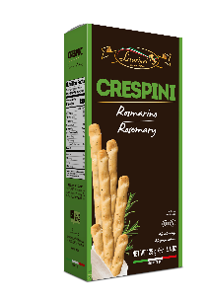
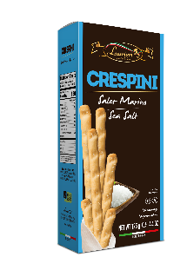
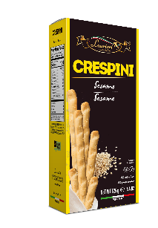
Product Photo | Product Code | Product Description | Unit Price | Packs/Case | Cases/Layer | Layers /Pallet | Unit Dimensions (L X W X H) | Case Dimensions (L X W X H) | Unit EAN Code | Case EAN Code | Shelf Life
SAVOURY - CRESPINI 125g
 | ALAU12WL_125 | SEA SALT | € 0.549 | 15 | 12 | 10 | 9,5 x 5 x 22 [cm] | 30 x 26,2 x 24 [cm] | 8015565035123 | 8015565935126 | 12 Months
 | ALAU15WL_125 | SESAME | € 0.549 | 15 | 12 | 10 | 9,5 x 5 x 22 [cm] | 30 x 26,2 x 24 [cm] | 8015565035154 | 8015565935157 | 12 Months
 | ALAU14WL_125 | ROSEMARY | € 0.549 | 15 | 12 | 10 | 9,5 x 5 x 22 [cm] | 30 x 26,2 x 24 [cm] | 8015565035147 | 8015565935140 | 12 Months
SAVOURY - TARALLI 200G
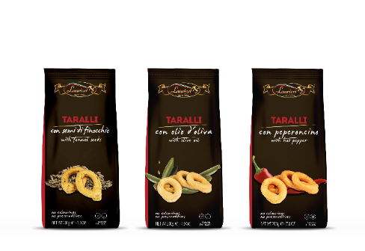 | BLAU32_200 | FENNEL | € 0.725 | 15 | 8 | 11 | 9 x 7,5 x 21 [cm] | 39 x 29 x 22 [cm] | 8015565030326 | 8015565930329 | 12 Months
 | BLAU33_200 | TRADITIONAL | € 0.725 | 15 | 8 | 11 | 9 x 7,5 x 21 [cm] | 39 x 29 x 22 [cm] | 8015565030333 | 8015565930336 | 12 Months
 | BLAU35_200 | HOT PEPPER | € 0.725 | 15 | 8 | 11 | 9 x 7,5 x 21 [cm] | 39 x 29 x 22 [cm] | 8015565030357 | 8015565930350 | 12 Months
SAVOURY - SCROCCHI 175g
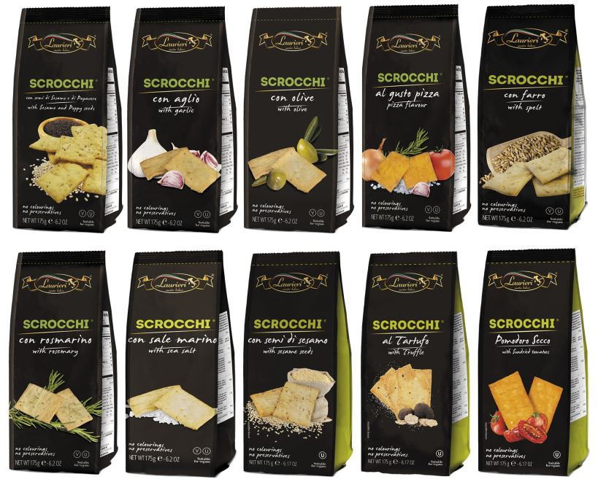 | BLAU24M_175 | SEA SALT | € 0.615 | 15 | 8 | 11 | 9 x 7,5 x 21 [cm] | 39 x 29 x 22 [cm] | 8015565030241 | 8015565930244 | 12 Months
 | BLAU20M_175 | ROSEMARY | € 0.615 | 15 | 8 | 11 | 9 x 7,5 x 21 [cm] | 39 x 29 x 22 [cm] | 8015565030203 | 801556930206 | 12 Months
 | BLAU22M_175 | GREEN OLIVES | € 0.615 | 15 | 8 | 11 | 9 x 7,5 x 21 [cm] | 39 x 29 x 22 [cm] | 8015565030210 | 8015565930213 | 12 Months
 | BLAU65M_175 | TRUFFLE | € 0.670 | 15 | 8 | 11 | 9 x 7,5 x 21 [cm] | 39 x 29 x 22 [cm] | 8015565030654 | 8015565930657 | 12 Months
 | BLAU28M_175 | SESAME & POPPY SEEDS | € 0.615 | 15 | 8 | 11 | 9 x 7,5 x 21 [cm] | 39 x 29 x 22 [cm] | 8015565030289 | 8015565930282 | 12 Months
 | BLAU26M_175 | SESAME SEEDS | € 0.615 | 15 | 8 | 11 | 9 x 7,5 x 21 [cm] | 39 x 29 x 22 [cm] | 8015565030265 | 8015565930268 | 12 Months
 | BLAU95M_175 | SUNDRIED TOMATO | € 0.615 | 15 | 8 | 11 | 9 x 7,5 x 21 [cm] | 39 x 29 x 22 [cm] | 8015565030951 | 8015565930954 | 12 Months
 | BLAU29M_175 | SPELT | € 0.615 | 15 | 8 | 11 | 9 x 7,5 x 21 [cm] | 39 x 29 x 22 [cm] | 8015565030296 | 8015565930299 | 12 Months
 | BLAU25M_175 | PIZZA | € 0.615 | 15 | 8 | 11 | 9 x 7,5 x 21 [cm] | 39 x 29 x 22 [cm] | 8015565030258 | 8015565930251 | 12 Months
 | BLAU48M_175 | GARLIC | € 0.615 | 15 | 8 | 11 | 9 x 7,5 x 21 [cm] | 39 x 29 x 22 [cm] | 8015565030234 | 8015565930237 | 12 Months
SAVOURY - GRISSINETTI 150g
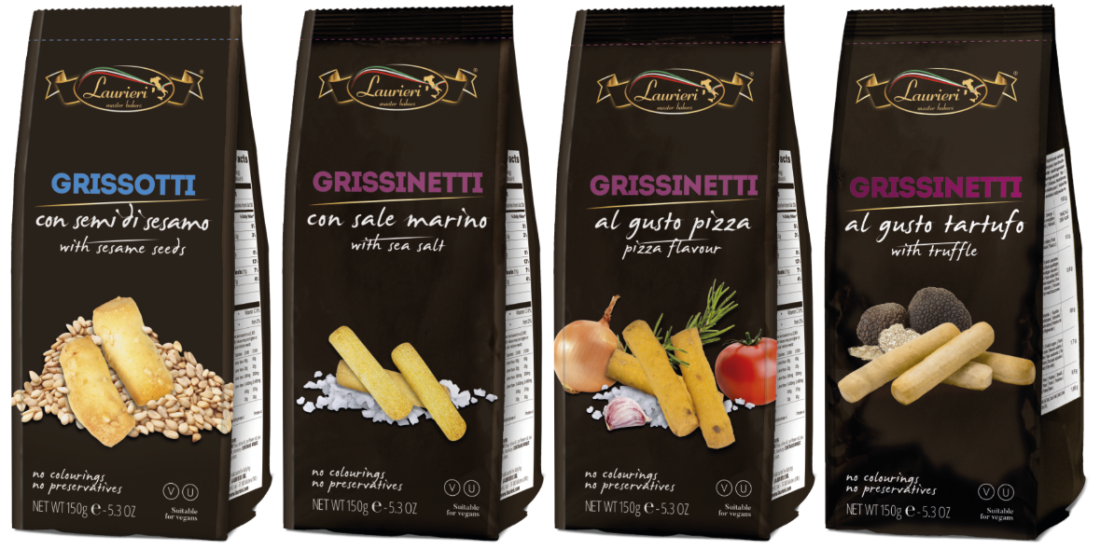 | BLAU12GS_150 | SEA SALT | € 0.505 | 15 | 8 | 11 | 9 x 7,5 x 21 [cm] | 39 x 29 x 22 [cm] | 8015565030128 | 8015565930121 | 12 Months
 | BLAU55GS_150 | PIZZA | € 0.505 | 15 | 8 | 11 | 9 x 7,5 x 21 [cm] | 39 x 29 x 22 [cm] | 8015565030555 | 8015565930558 | 12 Months
 | BLAU81GS_150 | TRUFFLE | € 0.505 | 15 | 8 | 11 | 9 x 7,5 x 21 [cm] | 39 x 29 x 22 [cm] | 8015565030814 | 8015565930817 | 12 Months
 | BLAU15QS_150 | SESAME | € 0.505 | 15 | 8 | 11 | 9 x 7,5 x 21 [cm] | 39 x 29 x 22 [cm] | 8015565030159 | 8015565930152 | 12 Months
SAVOURY - BRUSCHETTE 150g
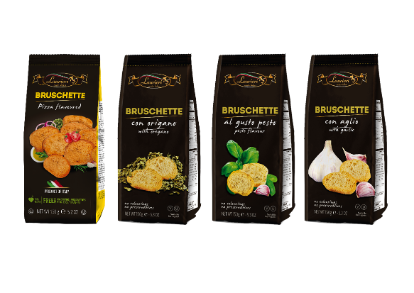 | BLAU90L_150 | PESTO | € 0.725 | 15 | 8 | 11 | 9 x 7,5 x 21 [cm] | 39 x 29 x 22 [cm] | 8015565030906 | 8015565930909 | 12 Months
 | BLAU86L_150 | OREGANO | € 0.725 | 15 | 8 | 11 | 9 x 7,5 x 21 [cm] | 39 x 29 x 22 [cm] | 8015565030890 | 8015565930893 | 12 Months
 | BLAU91L_150 | PIZZA | € 0.725 | 15 | 8 | 11 | 9 x 7,5 x 21 [cm] | 39 x 29 x 22 [cm] | 8015565030913 | 8015565930916 | 12 Months
 | BLAU88L_150 | GARLIC | € 0.725 | 15 | 8 | 11 | 9 x 7,5 x 21 [cm] | 39 x 29 x 22 [cm] | 8015565030883 | 8015565930886 | 12 Months
DELIVERY TERMS: EXW
MOQ: 4 pallets
TERMS OF PAYMENT: in advance
CURRENCY: €

Premium Line - Sweet
Product Photo | Product Code | Product Description | Unit Price | Packs/Case | Cases/Layer | Layers /Pallet | Unit Dimensions (L X W X H) | Case Dimension (L X W X H) | Unit EAN Code | Case EAN Code | Shelf Life
SWEET - AMARETTI - CANTUCCI 200g
 | BLAU01L_200 | AMARETTI | € 0.989 | 15 | 8 | 11 | 9 x 7,5 x 21 [cm] | 39 x 29 x 22 [cm] | 8015565030012 | 8015565930015 | 12 Months
 | BLAU17_200 | ALMOND | € 0.989 | 15 | 8 | 11 | 9 x 7,5 x 21 [cm] | 39 x 29 x 22 [cm] | 8015565030173 | 8015565930176 | 12 Months
 | BLAU45_200 | CRANBERRY | € 0.989 | 15 | 8 | 11 | 9 x 7,5 x 21 [cm] | 39 x 29 x 22 [cm] | 8015565030456 | 8015565930459 | 12 Months
 | BLAU46_200 | CHOCO CHUNKS | € 0.989 | 15 | 8 | 11 | 9 x 7,5 x 21 [cm] | 39 x 29 x 22 [cm] | 8015565030463 | 8015565930466 | 12 Months
 | BLAU50_200 | ALMOND & COCOA | € 0.989 | 15 | 8 | 11 | 9 x 7,5 x 21 [cm] | 39 x 29 x 22 [cm] | 8015565030500 | 8015565930503 | 12 Months
SWEET - COOKIES - 200g
 | BLAU19L_200 | FROLLETTI COCONUT | € 0.879 | 15 | 8 | 11 | 9 x 7,5 x 21 [cm] | 39 x 29 x 22 [cm] | 8015565030197 | 8015565930190 | 12 Months
 | BLAU70L_200 | FROLLETTI CRANBERRY | € 0.879 | 15 | 8 | 11 | 9 x 7,5 x 21 [cm] | 39 x 29 x 22 [cm] | 8015565030708 | 8015565930701 | 12 Months
 | BLAU04_200 | MINIRITELLE GINGER AND LEMON | € 0.879 | 15 | 8 | 11 | 9 x 7,5 x 21 [cm] | 39 x 29 x 22 [cm] | 8015565030043 | 8015565930046 | 12 Months
 | BLAU72_200 | QUADROTTI COCOA | € 0.879 | 15 | 8 | 11 | 9 x 7,5 x 21 [cm] | 39 x 29 x 22 [cm] | 8015565030722 | 8015565930725 | 12 Months
SWEET - FROLLINI - 200g
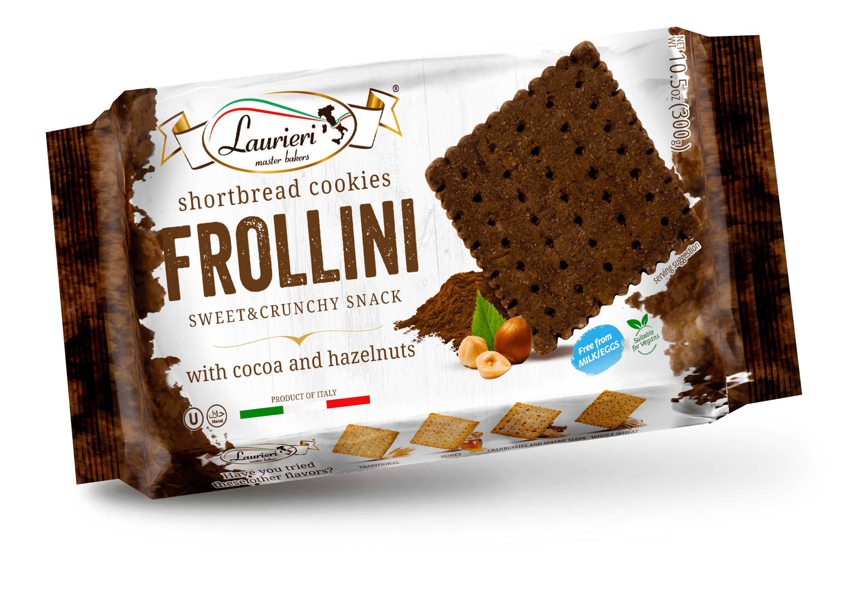 | BLAU51_200 | HAZELNUT & COCOA | € 0.725 | 12 | 11 | 16 | 19 x 12 x 3,7 [cm] | 36 x 22 x 13 [cm] | 8015565042510 | 8015565942513 | 12 mths
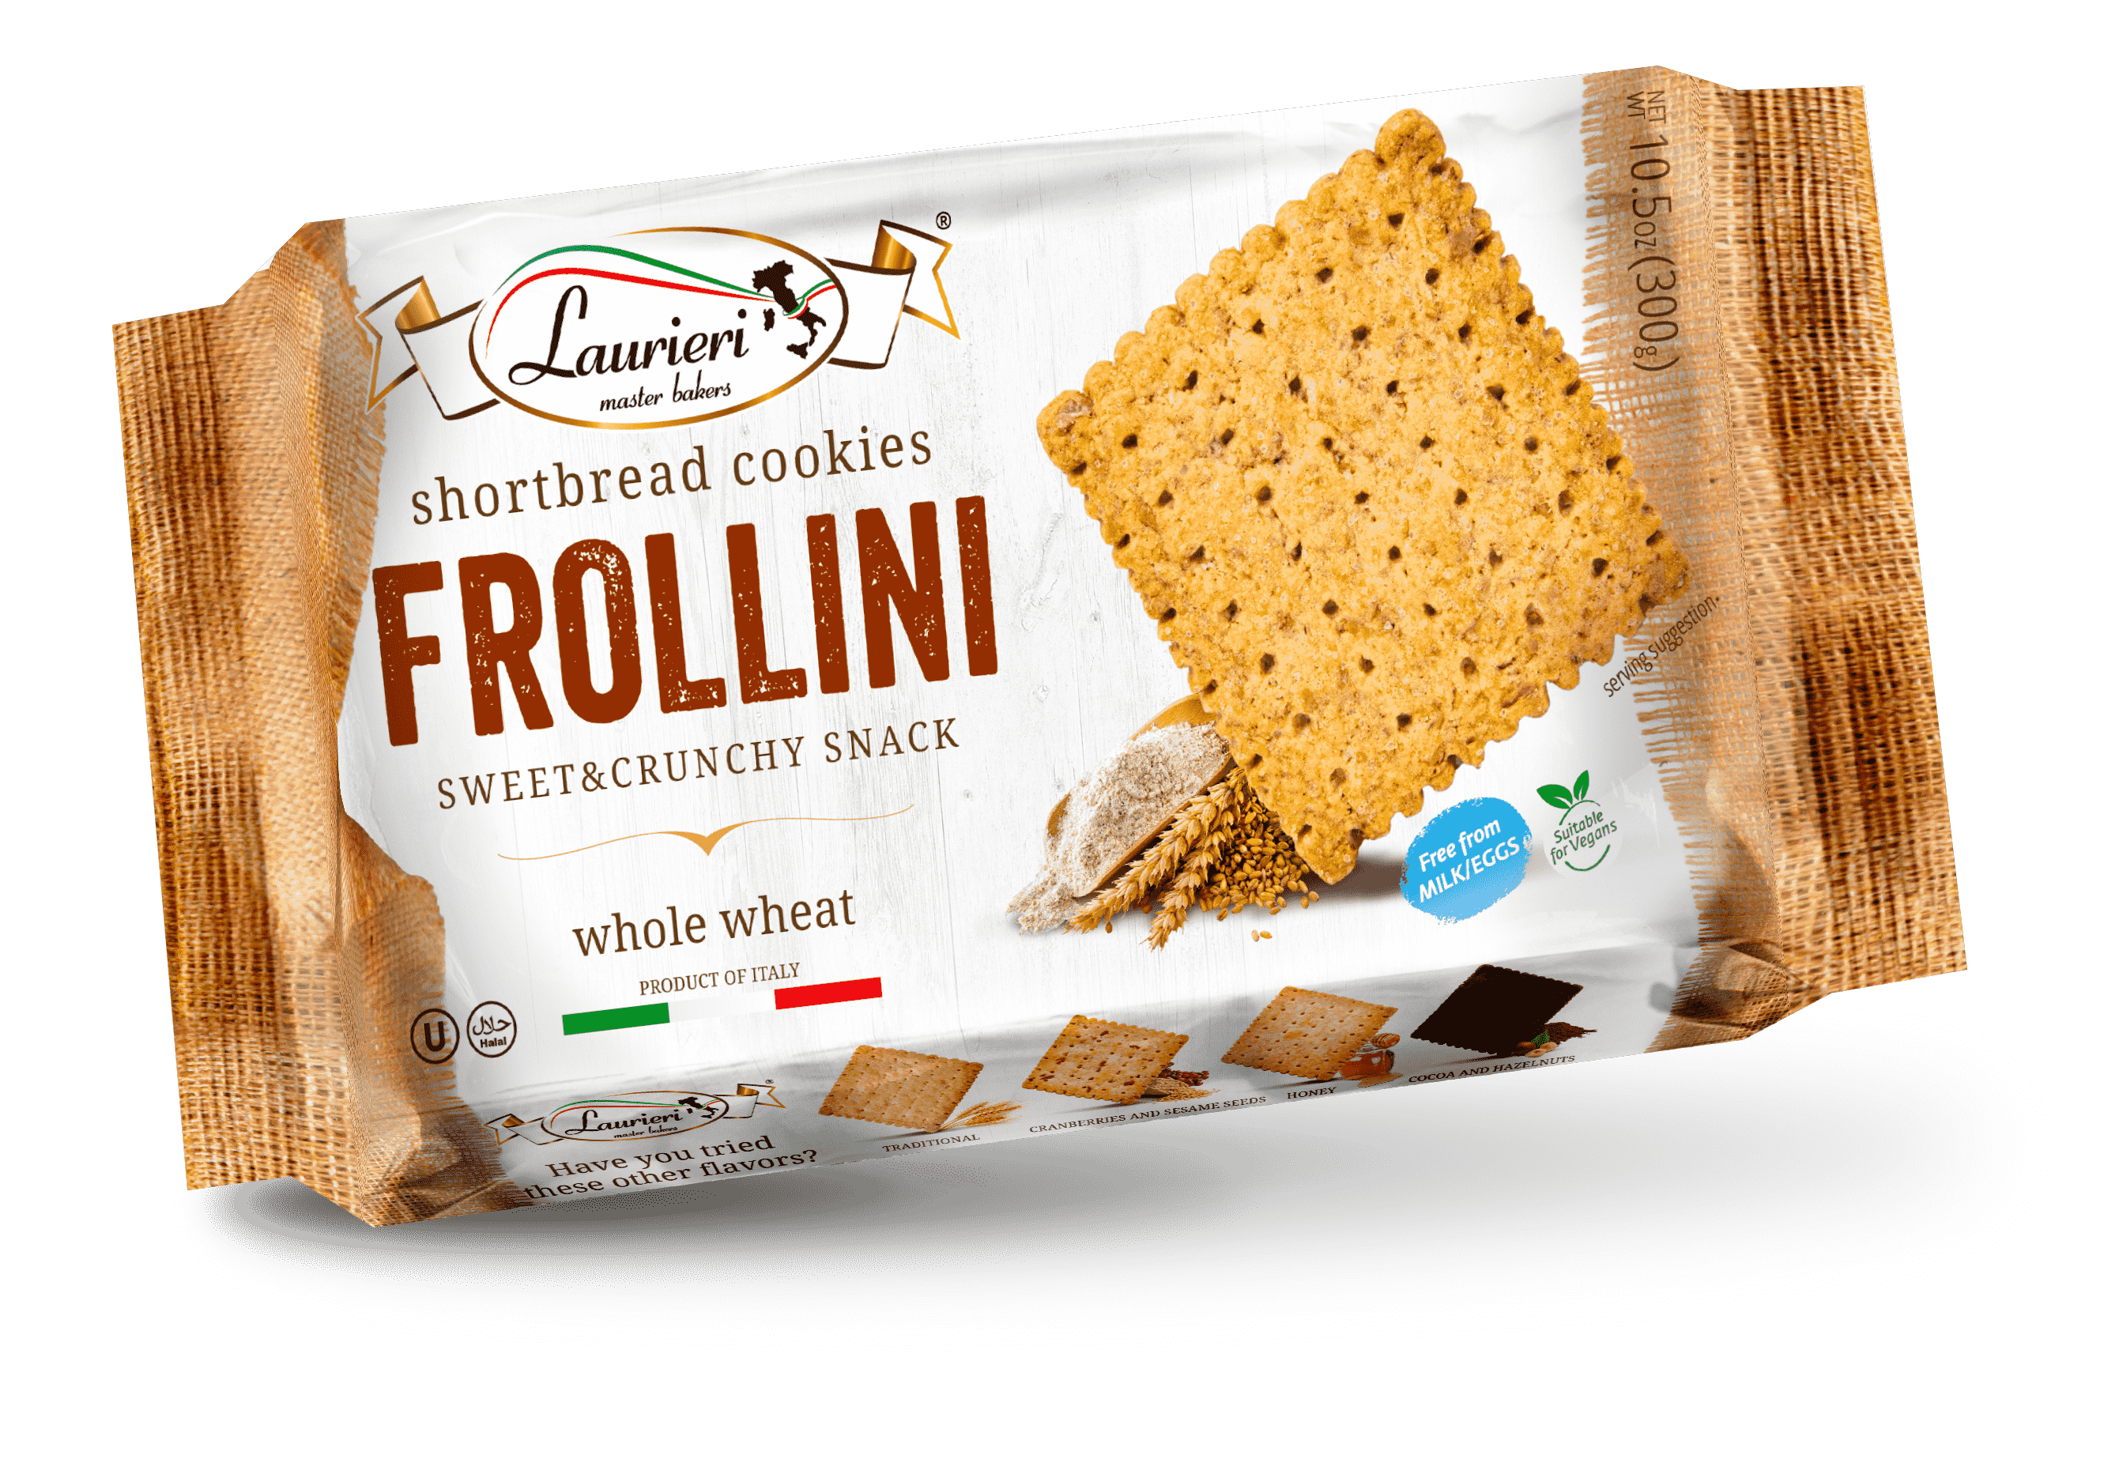 | BLAU55_200 | MULTUIGRAIN | € 0.725 | 12 | 11 | 16 | 19 x 12 x 3,7 [cm] | 36 x 22 x 13 [cm] | 8015565042732 | 8015565942735 | 12 mths
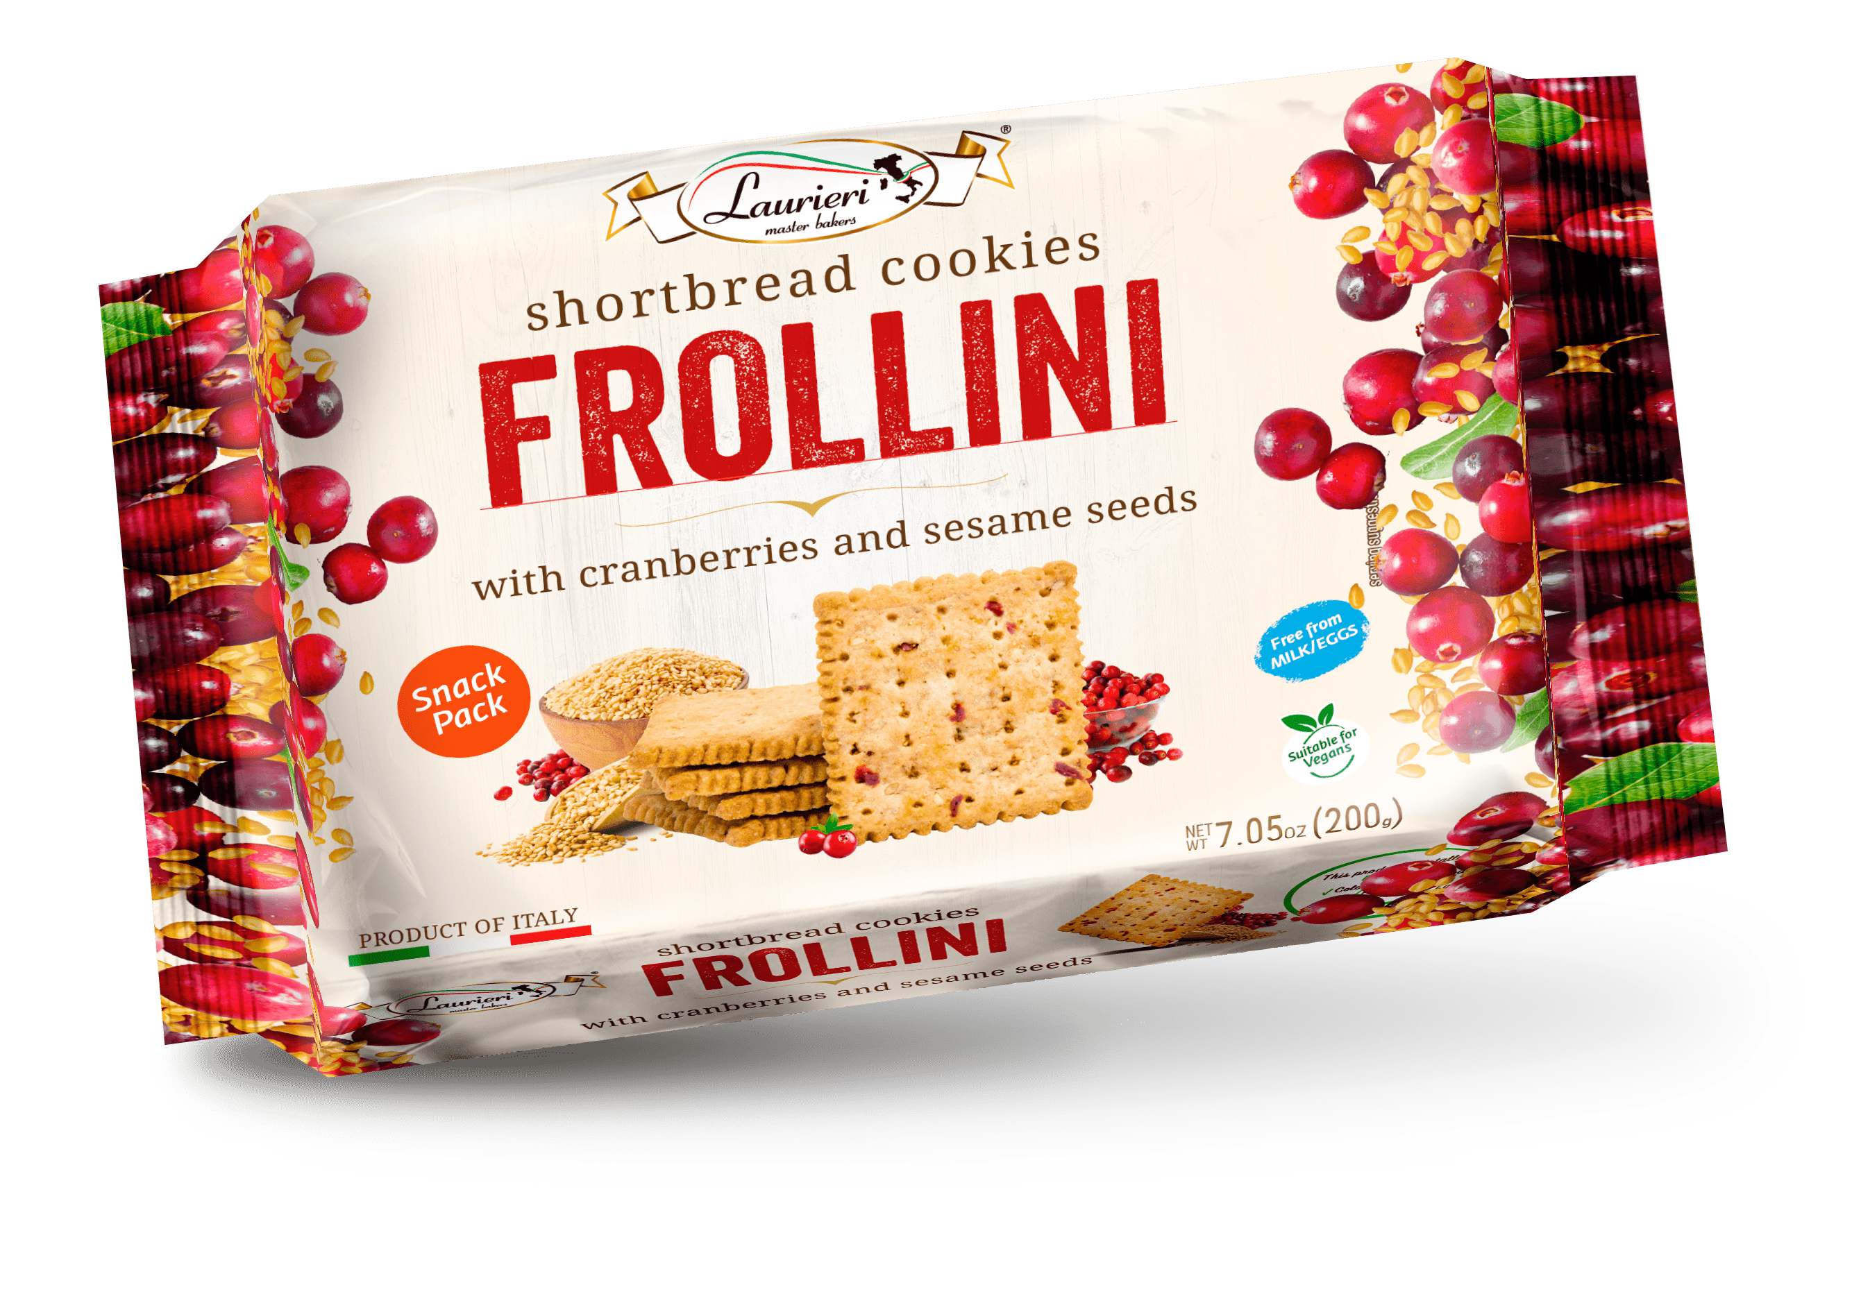 | BLAU53_200 | CRNBERRY & SESAME | € 0.725 | 11 | 11 | 16 | 19 x 12 x 3,7 [cm] | 36 x 22 x 13 [cm] | 8015565042534 | 8015565942537 | 12 mths
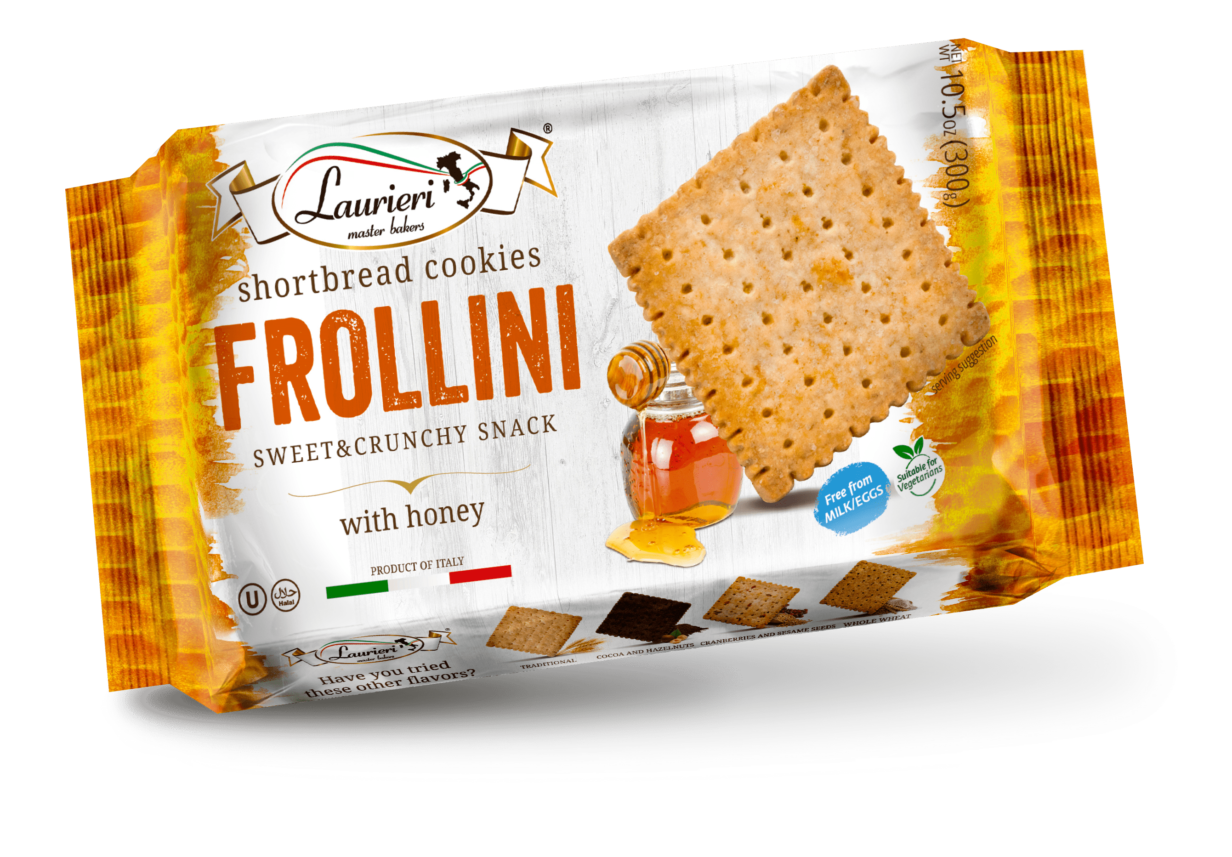 | BLAU54_200 | HONEY | € 0.725 | 12 | 11 | 16 | 19 x 12 x 3,7 [cm] | 36 x 22 x 13 [cm] | 8015565042541 | 8015565942544 | 12 mths
DELIVERY TERMS: EXW
MOQ: 4 pallets
TERMS OF PAYMENT: in advance
CURRENCY: €

Linea Premium 80g
Product Description | Product Code | Flavours | Unit Price | Packs/Case | Cases/Layer | Layers /Pallet | Unit Dimensions (L X W X H) | Dimensioni Cartone (L X W X H) | Unit EAN Code | Case EAN Code | Shelf Life
SAVOURY - BRUSCHETTE 80g
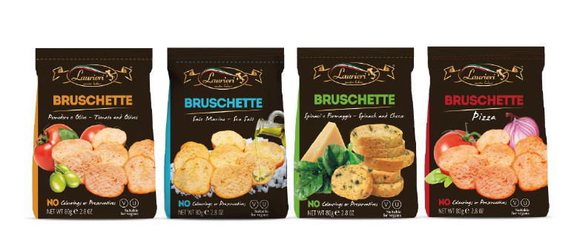 | BLAU91S_80 | PIZZA | € 0.396 | 18 | 8 | 15 | 9 x 7,5 x 15 [cm] | 39 x 29 x 17,5 [cm] | 8015565031927 | 8015565931920 | 12 Months
 | BLAU85S_80 | SEA SALT | € 0.396 | 18 | 8 | 15 | 9 x 7,5 x 15 [cm] | 39 x 29 x 17,5 [cm] | 8015565031859 | 8015565931852 | 12 Months
 | BLAU84S_80 | SPINACH & CHEESE | € 0.396 | 18 | 8 | 15 | 9 x 7,5 x 15 [cm] | 39 x 29 x 17,5 [cm] | 8015565031842 | 8015565931845 | 12 Months
 | BLAU94S_80 | TOMATO & OLIVES | € 0.396 | 18 | 8 | 15 | 9 x 7,5 x 15 [cm] | 39 x 29 x 17,5 [cm] | 8015565031835 | 8015565931838 | 12 Months
SAVOURY - SCROCCHI 80g
 | BLAU25M_80 | PIZZA | € 0.384 | 18 | 8 | 15 | 9 x 7,5 x 15 [cm] | 39 x 29 x 17,5 [cm] | 8015565033259 | 8015565933252 | 12 Months
 | BLAU28M_80 | SESAME & POPPY SEEDS | € 0.384 | 18 | 8 | 15 | 9 x 7,5 x 15 [cm] | 39 x 29 x 17,5 [cm] | 8015565033280 | 8015565933283 | 12 Months
 | BLAU48M_80 | GARLIC | € 0.384 | 18 | 8 | 15 | 9 x 7,5 x 15 [cm] | 39 x 29 x 17,5 [cm] | 8015565033488 | 8015565933481 | 12 Months
 | BLAU22M_80 | GREEN OLIVES | € 0.384 | 18 | 8 | 15 | 9 x 7,5 x 15 [cm] | 39 x 29 x 17,5 [cm] | 8015565033228 | 8015565933221 | 12 Months
SWEETS - FROLLETTI - AMARETTINI - QUADROTTI - MINIRITELLE 80g
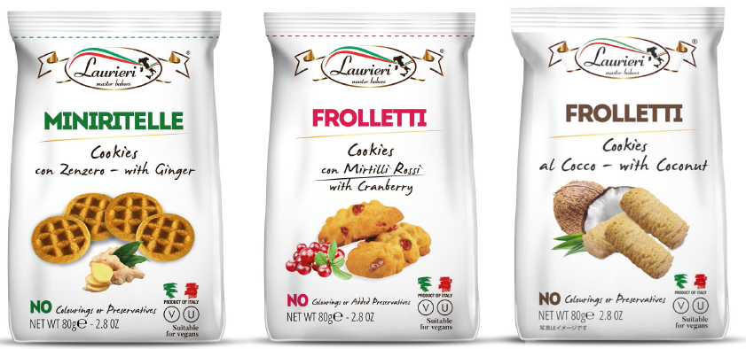 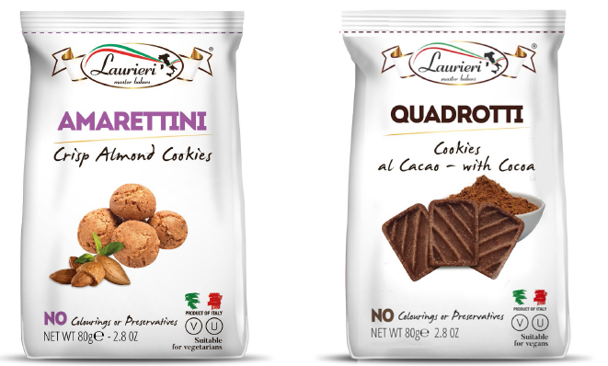 | BLAU04_80 | GINGER MINIRITELLE | € 0.396 | 18 | 8 | 15 | 9 x 7,5 x 15 [cm] | 39 x 29 x 17,5 [cm] | 8015565033044 | 8015565933047 | 12 Months
 | BLAU70L_80 | CRANBERRY FROLLETTI | € 0.396 | 18 | 8 | 15 | 9 x 7,5 x 15 [cm] | 39 x 29 x 17,5 [cm] | 8015565033709 | 8015565933702 | 12 Months
 | BLAU19L_80 | COCONUT FROLLETTI | € 0.396 | 18 | 8 | 15 | 9 x 7,5 x 15 [cm] | 39 x 29 x 17,5 [cm] | 8015565033198 | 8015565933191 | 12 Months
 | BLAU01S_80 | AMARETTINI | € 0.396 | 18 | 8 | 15 | 9 x 7,5 x 15 [cm] | 39 x 29 x 17,5 [cm] | 8015565033013 | 8015565933016 | 12 Months
 | BLAU72_80 | COCOA QUADROTTI | € 0.396 | 18 | 8 | 15 | 9 x 7,5 x 15 [cm] | 39 x 29 x 17,5 [cm] | 8015565033723 | 8015565933726 | 12 Months
DELIVERY TERMS: EXW
MOQ: 4 pallets
TERMS OF PAYMENT: in advance
CURRENCY: €

Multipack 200g
Product Description | Product Code | Flavours | EXW Unit Price | Unit EAN Code | Case Ean Code | Unit Dimensions | Case Dimensions | Multipacks/Case | Cases/Layer | Layers /Pallet | Shelf Life
SAVOURY - SCROCCHI 200g
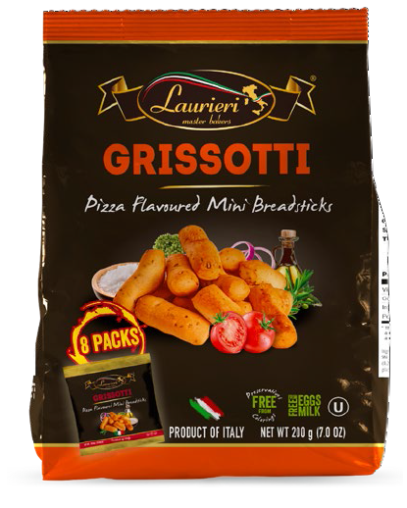 | BLAU55QS_25X8X8 | PIZZA GRISSOTTI | € 0.890 | 8015565039558 | 8015565939551 | 26 x 16,5 x 9,5 [cm] | 39 x 29 x 22 [cm] | 8 | 8 | 11 | 12 Months
SWEETS - FROLLETTI 200g
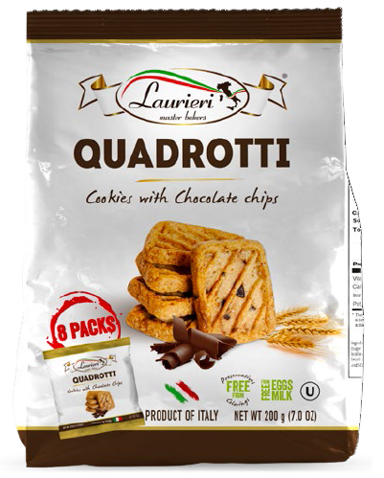 | BLAU49_25X8X8 | CHOCO CHIP QUADROTTI | € 0.890 | 8015565039497 | 8015565939490 | 26 x 16,5 x 9,5 [cm] | 39 x 29 x 22 [cm] | 8 | 8 | 11 | 12 Months
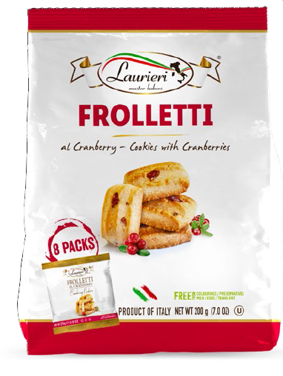 | BLAU70M_25X8X8 | CRANBERRY FROLLETTI | € 0.890 | 8015565039701 | 8015565939706 | 26 x 16,5 x 9,5 [cm] | 39 x 29 x 22 [cm] | 8 | 8 | 11 | 12 Months
DELIVERY TERMS: EXW
MOQ: 4 pallets
TERMS OF PAYMENT: in advance
CURRENCY: €

Premium Line - Maxi 400g
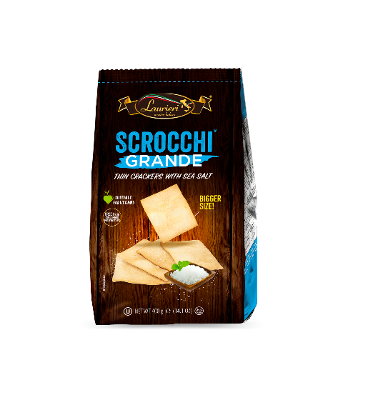
Product Photo | Product Code | Product Description | Unit Price | Packs/Case | Cases/Layer | Layers /Pallet | Unit Dimensions (L X W X H) | Case Dimensions (L X W X H) | Unit EAN Code | Case EAN Code | Shelf Life
SAVOURY - SCROCCHI - SCROCCHI GRANDE 400g
 | BLAU24G_400X6 | SEA SALT | € 1.089 | 15 | 12 | 10 | 13,5 x 7 x 28,5 [cm] | 30 x 26,2 x 24 [cm] | 8015565041025 | 8015565941028 | 12 Months
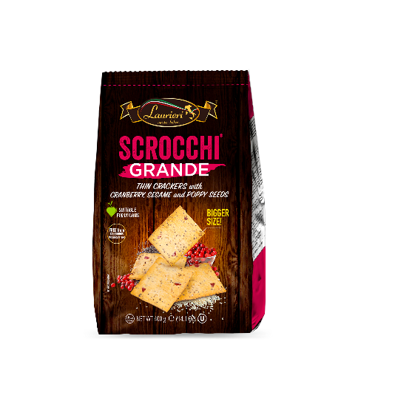 | BLAU30G_400X6 | SESAME, POPPY & CRANBERRY | € 1.089 | 15 | 12 | 10 | 13,5 x 7 x 28,5 [cm] | 30 x 26,2 x 24 [cm] | 8015565041070 | 8015565941073 | 12 Months
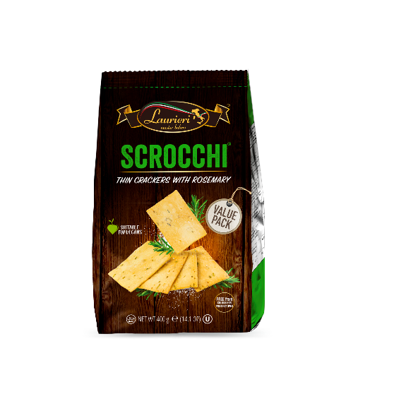 | BLAU20M_400 | ROSEMARY | € 1.089 | 15 | 12 | 10 | 13,5 x 7 x 28,5 [cm] | 30 x 26,2 x 24 [cm] | 8015565041032 | 8015565941035 | 12 Months
CANTUCCI - 400g
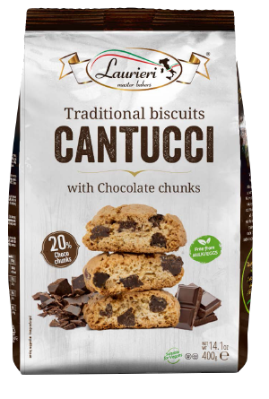 | BLAU46_400 | CHOCO CHUNKS | € 1.639 | 10 | 8 | 11 | 13,5 x 7 x 28,5 [cm] | 30 x 26,2 x 24 [cm] | 8015565037097 | 8015565937090 | 12 Months
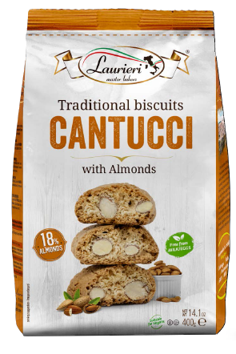 | BLAU17_400 | ALMOND | € 1.639 | 10 | 8 | 11 | 13,5 x 7 x 28,5 [cm] | 30 x 26,2 x 24 [cm] | 8015565037080 | 8015565937083 | 12 Months
DELIVERY TERMS: EXW
MOQ: 4 pallets
TERMS OF PAYMENT: in advance
CURRENCY: €

